RFFA
Estimated Regional Maximum Daily Flow for Each Station Using Frequency Analysis
 |  |  |  |  |  | Estimated Maximum Flows for Nahanni River Watershed at Nahanni-Liard Confluence Using Transposition Method
 |  | Flood Flows (m3/s)
 |  | FLAT RIVER NEAR THE MOUTH | SOUTH NAHANNI RIVER ABOVE VIRGINIA FALLS | SOUTH NAHANNI RIVER ABOVE CLAUSEN CREEK | LIARD RIVER AT FORT LIARD
 | Station Name |  |  |  |  |  | Maximum Flow (m3/s) |  | Nahanni River Drainage Area at Nahanni-Liard Confluence | Unit
 | Station ID | 10EA003 | 10EB001 | 10EC001 | 10ED001 | Drainage Area (1000 km2) | 36
 | Comment | Medium - Natural | Medium - Natural | Medium - Natural | Large - Cities/Towns | 2-Year | 2260.1 |  | 36.1 | [1000 km2]
Return Period (Year) | 2 | 569 | 1420 | 2200 | 8620 | 5-Year | 2857.1
 | 5 | 803 | 1700 | 2720 | 10700 | 10-Year | 3219.2
 | 10 | 962 | 1850 | 3050 | 11900 | 20-Year | 3529.7
 | 20 | 1120 | 1970 | 3340 | 12800 | 50-Year | 3902.1
 | 50 | 1320 | 2110 | 3710 | 13800 | 100-Year | 4171.8
 | 100 | 1480 | 2200 | 3980 | 14500 | 200-Year | 4421.6
 | 200 | 1630 | 2290 | 4240 | 15100
 | Drainage Area (1000 km2) | 8.56 | 14.50 | 31.10 | 222.00
 | 100-yr Unit Runoff (m3/s/km2) | 172.90 | 151.72 | 127.97 | 65.32
 | Frequency Analysis completed using HYFRAN software, best fit distribution selected based on minimum AIC: see following station specific pages

Regional Maximum Daily Flow vs. Drainage Area Relationship |  |  |  |  |  | Estimated Maximum Flows for Liard River Watershed at Nahanni-Liard Confluence Using Transposition Method
 | 2 | 5 | 10 | 20 | 50 | 100 | #REF! | 200
8.56 | 569 | 803 | 962 | 1120 | 1320 | 1480 | 1 | 1630
14.50 | 1420 | 1700 | 1850 | 1970 | 2110 | 2200 |  | 2290
31.10 | 2200 | 2720 | 3050 | 3340 | 3710 | 3980 |  | 4240
222.00 | 8620 | 10700 | 11900 | 12800 | 13800 | 14500 |  | 15100
 |  |  |  |  |  |  | Maximum Flow (m3/s) |  | Liard River Drainage Area at Nahanni-Liard Confluence | Unit
 |  |  |  |  |  | Drainage Area (1000 km2) | 229
 |  |  |  |  |  | 2-Year | 9511.9 |  | 228.8 | [1000 km2]
 |  |  |  |  |  | 5-Year | 11540.0
 |  |  |  |  |  | 10-Year | 12699.3
 |  |  |  |  |  | 20-Year | 13539.9
 |  |  |  |  |  | 50-Year | 14490.0
 |  |  |  |  |  | 100-Year | 15139.0
 |  |  |  |  |  | 200-Year | 15708.6

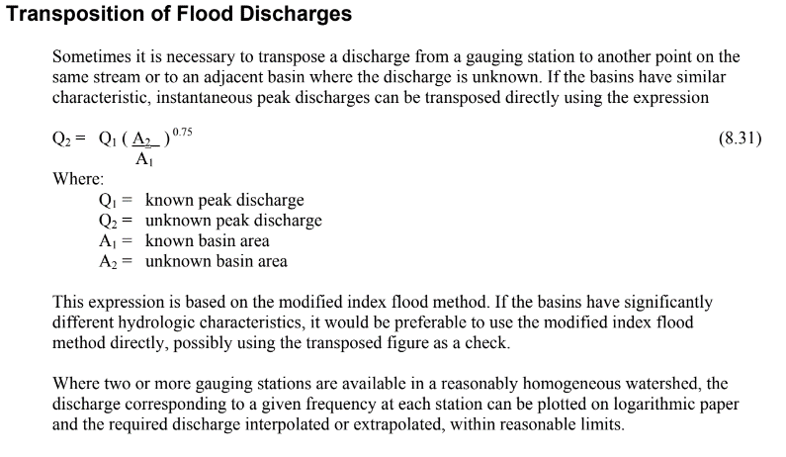

Regression Analysis of Regional Flood Frequency Statistics (Log-Log)

 |  |  |  |  |  |  |  | 20-Year
 |  |  |  |  |  |  |  | 100-Year

10EA003
Month | Date | Value | Row Labels | Max of Value
6 | 06/01/1960 |  | 1960 | 535 | Rivière Harricana à Amos
6 | 06/02/1960 |  | 1961 | 685
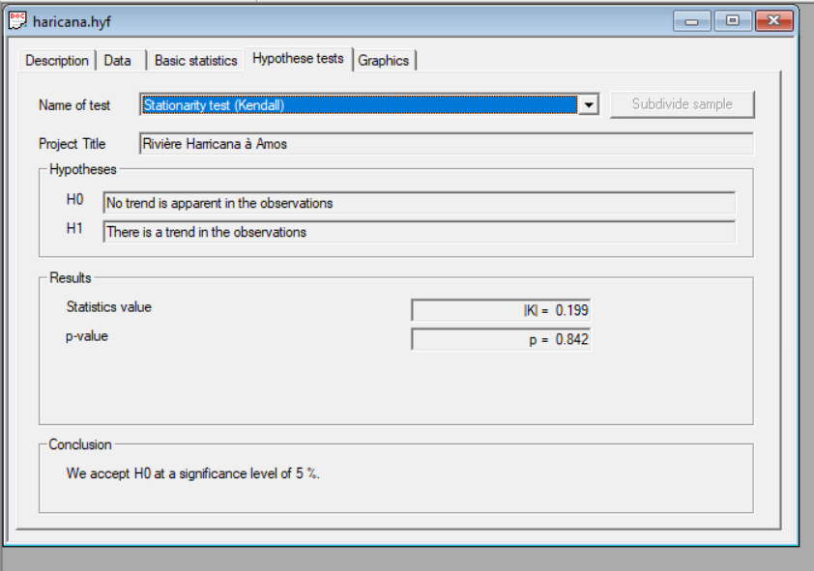
6 | 06/03/1960 |  | 1962 | 555 | Results of the fitting
6 | 06/04/1960 |  | 1963 | 949
6 | 06/05/1960 |  | 1964 | 702 | Lognormal (Maximum Likelihood)
6 | 06/06/1960 |  | 1965 | 445
6 | 06/07/1960 |  | 1966 | 360 | Number of observations 61
6 | 06/08/1960 |  | 1967 | 236
6 | 06/09/1960 |  | 1968 | 835 | Parameters
6 | 06/10/1960 |  | 1969 | 456 | mu | 6.343991
6 | 06/11/1960 |  | 1970 | 221 | sigma | 0.409609
6 | 06/12/1960 |  | 1971 | 501
6 | 06/13/1960 |  | 1972 | 1250 | Quantiles
6 | 06/14/1960 |  | 1973 | 934 | q = F(X) : non-exceedance probability
6 | 06/15/1960 |  | 1974 | 583 | T = 1/(1-q)
6 | 06/16/1960 |  | 1975 | 810
6 | 06/17/1960 |  | 1976 | 453 | T | q | XT | Standard deviation | Confidence interval (95%)
6 | 06/18/1960 |  | 1977 | 467 | 10000 | 0.9999 | 2610 | 388 | 1850 | 3370
6 | 06/19/1960 |  | 1978 | 1100 | 2000 | 0.9995 | 2190 | 293 | 1620 | 2760
6 | 06/20/1960 |  | 1979 | 709 | 1000 | 0.999 | 2020 | 256 | 1520 | 2520
6 | 06/21/1960 |  | 1980 | 527 | 200 | 0.995 | 1630 | 179 | 1280 | 1990
6 | 06/22/1960 |  | 1981 | 486 | 100 | 0.99 | 1480 | 150 | 1180 | 1770
6 | 06/23/1960 |  | 1982 | 555 | 50 | 0.98 | 1320 | 123 | 1080 | 1560
6 | 06/24/1960 |  | 1983 | 300 | 20 | 0.95 | 1120 | 90.3 | 939 | 1290
6 | 06/25/1960 | 535 | 1984 | 472 | 10 | 0.9 | 962 | 68.3 | 828 | 1100
6 | 06/26/1960 |  | 1985 | 420 | 5 | 0.8 | 803 | 49.1 | 707 | 900
6 | 06/27/1960 |  | 1986 | 699 | 3 | 0.6667 | 679 | 37.2 | 606 | 752
6 | 06/28/1960 |  | 1987 | 450 | 2 | 0.5 | 569 | 29.8 | 511 | 628
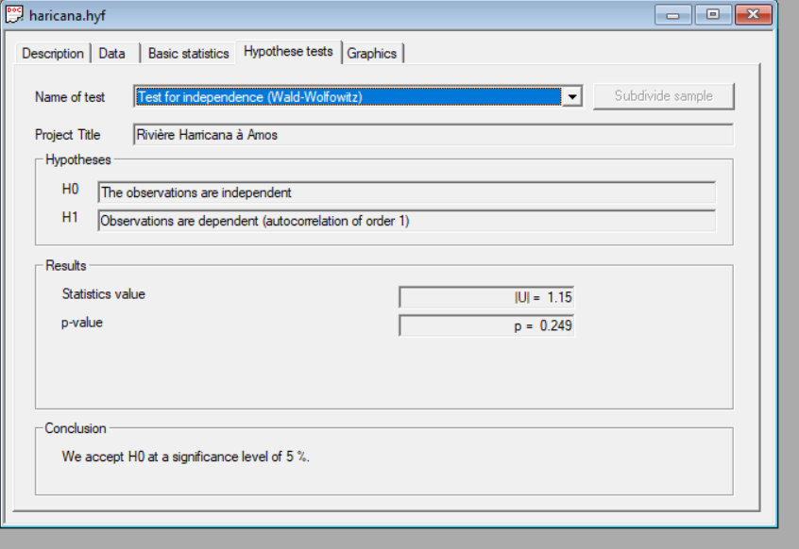
6 | 06/29/1960 |  | 1988 | 640 | 1.4286 | 0.3 | 459 | 25.7 | 409 | 510
6 | 06/30/1960 |  | 1989 | 630 | 1.25 | 0.2 | 403 | 24.7 | 355 | 451
5 | 05/01/1961 |  | 1990 | 810 | 1.1111 | 0.1 | 337 | 23.9 | 290 | 384
5 | 05/02/1961 |  | 1991 | 491 | 1.0526 | 0.05 | 290 | 23.4 | 244 | 336
5 | 05/03/1961 |  | 1992 | 894 | 1.0204 | 0.02 | 245 | 22.8 | 201 | 290
5 | 05/04/1961 |  | 1993 | 384 | 1.0101 | 0.01 | 219 | 22.3 | 176 | 263
5 | 05/05/1961 |  | 1994 | 652 | 1.005 | 0.005 | 198 | 21.7 | 155 | 241
5 | 05/06/1961 |  | 1995 | 265 | 1.001 | 0.001 | 160 | 20.4 | 121 | 200
5 | 05/07/1961 |  | 1996 | 422 | 1.0005 | 0.0005 | 148 | 19.8 | 109 | 187
5 | 05/08/1961 |  | 1997 | 720 | 1.0001 | 0.0001 | 124 | 18.4 | 87.9 | 160
5 | 05/09/1961 |  | 1998 | 371
5 | 05/10/1961 |  | 1999 | 1190
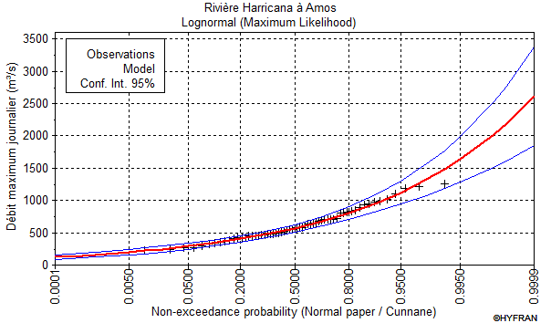
5 | 05/11/1961 |  | 2000 | 405
5 | 05/12/1961 |  | 2001 | 825
5 | 05/13/1961 |  | 2002 | 647
5 | 05/14/1961 |  | 2003 | 429
5 | 05/15/1961 |  | 2004 | 672
5 | 05/16/1961 |  | 2005 | 577
5 | 05/17/1961 |  | 2006 | 984
5 | 05/18/1961 |  | 2007 | 563
5 | 05/19/1961 |  | 2008 | 709
5 | 05/20/1961 |  | 2009 | 477
5 | 05/21/1961 |  | 2010 | 850
5 | 05/22/1961 |  | 2011 | 1020
5 | 05/23/1961 |  | 2012 | 1210
5 | 05/24/1961 |  | 2013 | 978
5 | 05/25/1961 |  | 2014 | 580
5 | 05/26/1961 |  | 2015 | 324
5 | 05/27/1961 |  | 2016 | 266
5 | 05/28/1961 |  | 2017 | 506
5 | 05/29/1961 | 467 | 2018 | 614
5 | 05/30/1961 | 430 | 2019 | 338
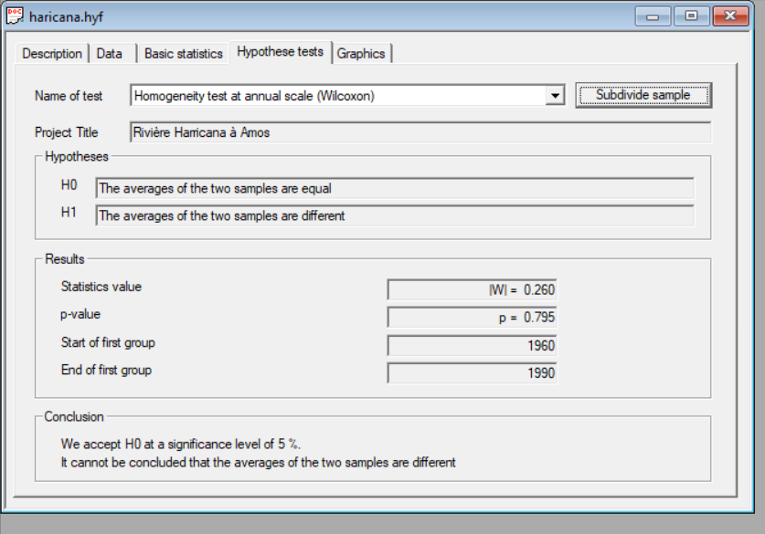
5 | 05/31/1961 | 379 | 2020 | 480 | Rivière Harricana à Amos
6 | 06/01/1961 | 365 | Grand Total | 1250
6 | 06/02/1961 | 453 |  |  | Adequacy test
6 | 06/03/1961 | 450
6 | 06/04/1961 | 348 |  |  | Lognormal(Maximum Likelihood)
6 | 06/05/1961 | 283
6 | 06/06/1961 | 303 |  |  | Hypotheses
6 | 06/07/1961 | 459 |  |  | H0 : The underlying distribution of this sample is Lognormal
6 | 06/08/1961 | 626 |  |  | H1 : The underlying distribution of this sample is not Lognormal
6 | 06/09/1961 | 660
6 | 06/10/1961 | 583 |  |  | Results
6 | 06/11/1961 | 685 |  |  | Statistics result : | For Cs | For Ck
6 | 06/12/1961 | 552 |  |  | p-value : | -0.55 | -0.01
6 | 06/13/1961 | 402 |  |  | Degrees of freedom : | 0.5811 | 0.9948
6 | 06/14/1961 | 334
6 | 06/15/1961 | 303 |  |  | Conclusion
6 | 06/16/1961 | 273 |  |  | We accept H0 at a significance level of 5 %.
6 | 06/17/1961 | 251
6 | 06/18/1961 | 236 |  |  | Rivière Harricana à Amos
6 | 06/19/1961 | 212
6 | 06/20/1961 | 210 |  |  | Adequacy test
6 | 06/21/1961 | 204
6 | 06/22/1961 | 180 |  |  | Lognormal(Maximum Likelihood)
6 | 06/23/1961 | 159
6 | 06/24/1961 | 142 |  |  | Hypotheses
6 | 06/25/1961 | 135 |  |  | H0 : The underlying distribution of this sample is Lognormal
6 | 06/26/1961 | 169 |  |  | H1 : The underlying distribution of this sample is not Lognormal
6 | 06/27/1961 | 479
6 | 06/28/1961 | 532 |  |  | Results
6 | 06/29/1961 | 521 |  |  | Statistics result : | X ² = 4.74
6 | 06/30/1961 | 411 |  |  | p-value : | p = 0.6919
7 | 07/01/1961 | 328 |  |  | Degrees of freedom : | 7
7 | 07/02/1961 | 275
7 | 07/03/1961 | 243 |  |  | Conclusion
7 | 07/04/1961 | 216 |  |  | We accept H0 at a significance level of 5 %.
7 | 07/05/1961 | 195
7 | 07/06/1961 | 180
7 | 07/07/1961 | 172
7 | 07/08/1961 | 172
7 | 07/09/1961 | 172
7 | 07/10/1961 | 163
7 | 07/11/1961 | 156
7 | 07/12/1961 | 148
7 | 07/13/1961 | 144
7 | 07/14/1961 | 148
7 | 07/15/1961 | 155
7 | 07/16/1961 | 157
7 | 07/17/1961 | 147
7 | 07/18/1961 | 135
7 | 07/19/1961 | 128
7 | 07/20/1961 | 125
7 | 07/21/1961 | 123
7 | 07/22/1961 | 118
7 | 07/23/1961 | 112
7 | 07/24/1961 | 108
7 | 07/25/1961 | 105
7 | 07/26/1961 | 103
7 | 07/27/1961 | 99.099998474
7 | 07/28/1961 | 97.699996948
7 | 07/29/1961 | 97.699996948
7 | 07/30/1961 | 102
7 | 07/31/1961 | 110
8 | 08/01/1961 | 111
8 | 08/02/1961 | 110
8 | 08/03/1961 | 108
8 | 08/04/1961 | 102
8 | 08/05/1961 | 95.400001526
8 | 08/06/1961 | 103
8 | 08/07/1961 | 125
8 | 08/08/1961 | 123
8 | 08/09/1961 | 108
8 | 08/10/1961 | 99.099998474
8 | 08/11/1961 | 93.699996948
8 | 08/12/1961 | 90
8 | 08/13/1961 | 89.199996948
8 | 08/14/1961 | 97.699996948
8 | 08/15/1961 | 103
8 | 08/16/1961 | 108
8 | 08/17/1961 | 110
8 | 08/18/1961 | 101
8 | 08/19/1961 | 93.699996948
8 | 08/20/1961 | 88.300003052
8 | 08/21/1961 | 85
8 | 08/22/1961 | 84.400001526
8 | 08/23/1961 | 83.300003052
8 | 08/24/1961 | 80.699996948
8 | 08/25/1961 | 79.599998474
8 | 08/26/1961 | 80.699996948
8 | 08/27/1961 | 85
8 | 08/28/1961 | 84.400001526
8 | 08/29/1961 | 80.699996948
8 | 08/30/1961 | 78.699996948
8 | 08/31/1961 | 89.800003052
6 | 06/01/1962 | 343
6 | 06/02/1962
6 | 06/03/1962
6 | 06/04/1962
6 | 06/05/1962
6 | 06/06/1962
6 | 06/07/1962
6 | 06/08/1962
6 | 06/09/1962
6 | 06/10/1962
6 | 06/11/1962
6 | 06/12/1962
6 | 06/13/1962
6 | 06/14/1962
6 | 06/15/1962
6 | 06/16/1962
6 | 06/17/1962
6 | 06/18/1962
6 | 06/19/1962
6 | 06/20/1962
6 | 06/21/1962
6 | 06/22/1962
6 | 06/23/1962
6 | 06/24/1962
6 | 06/25/1962
6 | 06/26/1962
6 | 06/27/1962
6 | 06/28/1962
6 | 06/29/1962
6 | 06/30/1962
7 | 07/01/1962 | 547
7 | 07/02/1962 | 555
7 | 07/03/1962 | 433
7 | 07/04/1962 | 357
7 | 07/05/1962 | 323
7 | 07/06/1962 | 334
7 | 07/07/1962 | 348
7 | 07/08/1962 | 326
7 | 07/09/1962 | 297
7 | 07/10/1962 | 289
7 | 07/11/1962 | 289
7 | 07/12/1962 | 283
7 | 07/13/1962 | 270
7 | 07/14/1962 | 265
7 | 07/15/1962 | 328
7 | 07/16/1962 | 391
7 | 07/17/1962 | 323
7 | 07/18/1962 | 280
7 | 07/19/1962 | 264
7 | 07/20/1962 | 256
7 | 07/21/1962 | 265
7 | 07/22/1962 | 254
7 | 07/23/1962 | 231
7 | 07/24/1962 | 212
7 | 07/25/1962 | 204
7 | 07/26/1962 | 191
7 | 07/27/1962 | 182
7 | 07/28/1962 | 180
7 | 07/29/1962 | 169
7 | 07/30/1962 | 165
7 | 07/31/1962 | 165
8 | 08/01/1962 | 165
8 | 08/02/1962 | 172
8 | 08/03/1962 | 207
8 | 08/04/1962 | 187
8 | 08/05/1962 | 174
8 | 08/06/1962 | 169
8 | 08/07/1962 | 160
8 | 08/08/1962 | 150
8 | 08/09/1962 | 142
8 | 08/10/1962 | 136
8 | 08/11/1962 | 133
8 | 08/12/1962 | 132
8 | 08/13/1962 | 135
8 | 08/14/1962 | 135
8 | 08/15/1962 | 129
8 | 08/16/1962 | 126
8 | 08/17/1962 | 128
8 | 08/18/1962 | 191
8 | 08/19/1962 | 320
8 | 08/20/1962 | 303
8 | 08/21/1962 | 250
8 | 08/22/1962 | 220
8 | 08/23/1962 | 195
8 | 08/24/1962 | 178
8 | 08/25/1962 | 172
8 | 08/26/1962 | 165
8 | 08/27/1962 | 157
8 | 08/28/1962 | 147
8 | 08/29/1962 | 142
8 | 08/30/1962 | 138
8 | 08/31/1962 | 135
5 | 05/01/1963 | 113
5 | 05/02/1963 | 112
5 | 05/03/1963 | 102
5 | 05/04/1963 | 95.400001526
5 | 05/05/1963 | 84.099998474
5 | 05/06/1963 | 73.599998474
5 | 05/07/1963 | 73.099998474
5 | 05/08/1963 | 70.5
5 | 05/09/1963 | 82.400001526
5 | 05/10/1963 | 98.800003052
5 | 05/11/1963 | 114
5 | 05/12/1963 | 133
5 | 05/13/1963 | 173
5 | 05/14/1963 | 208
5 | 05/15/1963 | 231
5 | 05/16/1963 | 236
5 | 05/17/1963 | 257
5 | 05/18/1963 | 292
5 | 05/19/1963 | 326
5 | 05/20/1963 | 371
5 | 05/21/1963 | 436
5 | 05/22/1963 | 496
5 | 05/23/1963 | 572
5 | 05/24/1963 | 493
5 | 05/25/1963 | 343
5 | 05/26/1963 | 254
5 | 05/27/1963 | 224
5 | 05/28/1963 | 199
5 | 05/29/1963 | 183
5 | 05/30/1963 | 169
5 | 05/31/1963 | 155
6 | 06/01/1963 | 159
6 | 06/02/1963 | 167
6 | 06/03/1963 | 181
6 | 06/04/1963 | 199
6 | 06/05/1963 | 218
6 | 06/06/1963 | 227
6 | 06/07/1963 | 261
6 | 06/08/1963 | 243
6 | 06/09/1963 | 236
6 | 06/10/1963 | 251
6 | 06/11/1963 | 254
6 | 06/12/1963 | 326
6 | 06/13/1963 | 949
6 | 06/14/1963 | 821
6 | 06/15/1963 | 564
6 | 06/16/1963 | 442
6 | 06/17/1963 | 399
6 | 06/18/1963 | 416
6 | 06/19/1963 | 439
6 | 06/20/1963 | 603
6 | 06/21/1963 | 555
6 | 06/22/1963 | 453
6 | 06/23/1963 | 408
6 | 06/24/1963 | 379
6 | 06/25/1963 | 337
6 | 06/26/1963 | 279
6 | 06/27/1963 | 247
6 | 06/28/1963 | 236
6 | 06/29/1963 | 242
6 | 06/30/1963 | 255
7 | 07/01/1963 | 280
7 | 07/02/1963 | 300
7 | 07/03/1963 | 309
7 | 07/04/1963 | 317
7 | 07/05/1963 | 311
7 | 07/06/1963 | 314
7 | 07/07/1963 | 343
7 | 07/08/1963 | 334
7 | 07/09/1963 | 303
7 | 07/10/1963 | 419
7 | 07/11/1963 | 456
7 | 07/12/1963 | 357
7 | 07/13/1963 | 323
7 | 07/14/1963 | 331
7 | 07/15/1963 | 354
7 | 07/16/1963 | 317
7 | 07/17/1963 | 274
7 | 07/18/1963 | 255
7 | 07/19/1963 | 233
7 | 07/20/1963 | 219
7 | 07/21/1963 | 303
7 | 07/22/1963 | 419
7 | 07/23/1963 | 357
7 | 07/24/1963 | 289
7 | 07/25/1963 | 250
7 | 07/26/1963 | 229
7 | 07/27/1963 | 215
7 | 07/28/1963 | 202
7 | 07/29/1963 | 191
7 | 07/30/1963 | 187
7 | 07/31/1963 | 176
8 | 08/01/1963 | 169
8 | 08/02/1963 | 170
8 | 08/03/1963 | 172
8 | 08/04/1963 | 165
8 | 08/05/1963 | 161
8 | 08/06/1963 | 155
8 | 08/07/1963 | 142
8 | 08/08/1963 | 134
8 | 08/09/1963 | 127
8 | 08/10/1963 | 124
8 | 08/11/1963 | 125
8 | 08/12/1963 | 121
8 | 08/13/1963 | 117
8 | 08/14/1963 | 114
8 | 08/15/1963 | 113
8 | 08/16/1963 | 113
8 | 08/17/1963 | 114
8 | 08/18/1963 | 114
8 | 08/19/1963 | 114
8 | 08/20/1963 | 122
8 | 08/21/1963 | 139
8 | 08/22/1963 | 168
8 | 08/23/1963 | 153
8 | 08/24/1963 | 137
8 | 08/25/1963 | 126
8 | 08/26/1963 | 125
8 | 08/27/1963 | 118
8 | 08/28/1963 | 120
8 | 08/29/1963 | 122
8 | 08/30/1963 | 117
8 | 08/31/1963 | 112
5 | 05/01/1964
5 | 05/02/1964
5 | 05/03/1964
5 | 05/04/1964
5 | 05/05/1964
5 | 05/06/1964
5 | 05/07/1964
5 | 05/08/1964
5 | 05/09/1964
5 | 05/10/1964
5 | 05/11/1964
5 | 05/12/1964
5 | 05/13/1964
5 | 05/14/1964
5 | 05/15/1964
5 | 05/16/1964
5 | 05/17/1964
5 | 05/18/1964
5 | 05/19/1964
5 | 05/20/1964
5 | 05/21/1964
5 | 05/22/1964
5 | 05/23/1964
5 | 05/24/1964
5 | 05/25/1964
5 | 05/26/1964
5 | 05/27/1964
5 | 05/28/1964
5 | 05/29/1964
5 | 05/30/1964
5 | 05/31/1964 | 510
6 | 06/01/1964 | 518
6 | 06/02/1964 | 566
6 | 06/03/1964 | 677
6 | 06/04/1964 | 702
6 | 06/05/1964 | 657
6 | 06/06/1964 | 589
6 | 06/07/1964 | 547
6 | 06/08/1964 | 527
6 | 06/09/1964 | 501
6 | 06/10/1964 | 467
6 | 06/11/1964 | 439
6 | 06/12/1964 | 411
6 | 06/13/1964 | 374
6 | 06/14/1964 | 343
6 | 06/15/1964 | 311
6 | 06/16/1964 | 282
6 | 06/17/1964 | 286
6 | 06/18/1964 | 306
6 | 06/19/1964 | 306
6 | 06/20/1964 | 311
6 | 06/21/1964 | 345
6 | 06/22/1964 | 323
6 | 06/23/1964 | 303
6 | 06/24/1964 | 276
6 | 06/25/1964 | 238
6 | 06/26/1964 | 213
6 | 06/27/1964 | 191
6 | 06/28/1964 | 172
6 | 06/29/1964 | 170
6 | 06/30/1964 | 181
7 | 07/01/1964 | 191
7 | 07/02/1964 | 178
7 | 07/03/1964 | 159
7 | 07/04/1964 | 151
7 | 07/05/1964 | 151
7 | 07/06/1964 | 153
7 | 07/07/1964 | 151
7 | 07/08/1964 | 142
7 | 07/09/1964 | 213
7 | 07/10/1964 | 405
7 | 07/11/1964 | 564
7 | 07/12/1964 | 439
7 | 07/13/1964 | 311
7 | 07/14/1964 | 247
7 | 07/15/1964 | 218
7 | 07/16/1964 | 199
7 | 07/17/1964 | 181
7 | 07/18/1964 | 172
7 | 07/19/1964 | 166
7 | 07/20/1964 | 173
7 | 07/21/1964 | 187
7 | 07/22/1964 | 219
7 | 07/23/1964 | 228
7 | 07/24/1964 | 204
7 | 07/25/1964 | 185
7 | 07/26/1964 | 180
7 | 07/27/1964 | 187
7 | 07/28/1964 | 178
7 | 07/29/1964 | 163
7 | 07/30/1964 | 152
7 | 07/31/1964 | 147
8 | 08/01/1964 | 144
8 | 08/02/1964 | 140
8 | 08/03/1964 | 140
8 | 08/04/1964 | 144
8 | 08/05/1964 | 146
8 | 08/06/1964 | 146
8 | 08/07/1964 | 138
8 | 08/08/1964 | 151
8 | 08/09/1964 | 184
8 | 08/10/1964 | 194
8 | 08/11/1964 | 184
8 | 08/12/1964 | 169
8 | 08/13/1964 | 167
8 | 08/14/1964 | 142
8 | 08/15/1964 | 253
8 | 08/16/1964 | 233
8 | 08/17/1964 | 210
8 | 08/18/1964 | 221
8 | 08/19/1964 | 214
8 | 08/20/1964 | 189
8 | 08/21/1964 | 171
8 | 08/22/1964 | 160
8 | 08/23/1964 | 152
8 | 08/24/1964 | 145
8 | 08/25/1964 | 140
8 | 08/26/1964 | 146
8 | 08/27/1964 | 161
8 | 08/28/1964 | 238
8 | 08/29/1964 | 229
8 | 08/30/1964 | 199
8 | 08/31/1964 | 187
5 | 05/01/1965 | 20.5
5 | 05/02/1965 | 20.899999619
5 | 05/03/1965 | 21.399999619
5 | 05/04/1965 | 21.899999619
5 | 05/05/1965 | 22.5
5 | 05/06/1965 | 23.200000763
5 | 05/07/1965 | 24.100000381
5 | 05/08/1965 | 25.200000763
5 | 05/09/1965 | 26.5
5 | 05/10/1965 | 28
5 | 05/11/1965 | 29.600000381
5 | 05/12/1965 | 31.399999619
5 | 05/13/1965 | 33.299999237
5 | 05/14/1965 | 35.299999237
5 | 05/15/1965 | 37.5
5 | 05/16/1965 | 40
5 | 05/17/1965 | 43
5 | 05/18/1965 | 46.5
5 | 05/19/1965 | 52
5 | 05/20/1965 | 61
5 | 05/21/1965 | 74.800003052
5 | 05/22/1965 | 166
5 | 05/23/1965 | 218
5 | 05/24/1965 | 227
5 | 05/25/1965 | 242
5 | 05/26/1965 | 283
5 | 05/27/1965 | 317
5 | 05/28/1965 | 328
5 | 05/29/1965 | 337
5 | 05/30/1965 | 317
5 | 05/31/1965 | 379
6 | 06/01/1965 | 371
6 | 06/02/1965 | 331
6 | 06/03/1965 | 260
6 | 06/04/1965 | 212
6 | 06/05/1965 | 182
6 | 06/06/1965 | 161
6 | 06/07/1965 | 144
6 | 06/08/1965 | 144
6 | 06/09/1965 | 199
6 | 06/10/1965 | 222
6 | 06/11/1965 | 195
6 | 06/12/1965 | 227
6 | 06/13/1965 | 206
6 | 06/14/1965 | 161
6 | 06/15/1965 | 144
6 | 06/16/1965 | 139
6 | 06/17/1965 | 152
6 | 06/18/1965 | 158
6 | 06/19/1965 | 127
6 | 06/20/1965 | 112
6 | 06/21/1965 | 111
6 | 06/22/1965 | 101
6 | 06/23/1965 | 106
6 | 06/24/1965 | 109
6 | 06/25/1965 | 116
6 | 06/26/1965 | 132
6 | 06/27/1965 | 135
6 | 06/28/1965 | 175
6 | 06/29/1965 | 191
6 | 06/30/1965 | 200
7 | 07/01/1965 | 182
7 | 07/02/1965 | 190
7 | 07/03/1965 | 196
7 | 07/04/1965 | 174
7 | 07/05/1965 | 165
7 | 07/06/1965 | 136
7 | 07/07/1965 | 117
7 | 07/08/1965 | 114
7 | 07/09/1965 | 114
7 | 07/10/1965 | 119
7 | 07/11/1965 | 129
7 | 07/12/1965 | 142
7 | 07/13/1965 | 140
7 | 07/14/1965 | 141
7 | 07/15/1965 | 147
7 | 07/16/1965 | 189
7 | 07/17/1965 | 278
7 | 07/18/1965 | 445
7 | 07/19/1965 | 385
7 | 07/20/1965 | 320
7 | 07/21/1965 | 266
7 | 07/22/1965 | 235
7 | 07/23/1965 | 223
7 | 07/24/1965 | 202
7 | 07/25/1965 | 181
7 | 07/26/1965 | 176
7 | 07/27/1965 | 171
7 | 07/28/1965 | 164
7 | 07/29/1965 | 153
7 | 07/30/1965 | 146
7 | 07/31/1965 | 141
8 | 08/01/1965 | 132
8 | 08/02/1965 | 128
8 | 08/03/1965 | 119
8 | 08/04/1965 | 113
8 | 08/05/1965 | 108
8 | 08/06/1965 | 104
8 | 08/07/1965 | 99.099998474
8 | 08/08/1965 | 96.599998474
8 | 08/09/1965 | 96.599998474
8 | 08/10/1965 | 96.599998474
8 | 08/11/1965 | 94.900001526
8 | 08/12/1965 | 93.400001526
8 | 08/13/1965 | 91.199996948
8 | 08/14/1965 | 86.699996948
8 | 08/15/1965 | 81
8 | 08/16/1965 | 76.5
8 | 08/17/1965 | 75.300003052
8 | 08/18/1965 | 73.099998474
8 | 08/19/1965 | 74.800003052
8 | 08/20/1965 | 73.599998474
8 | 08/21/1965 | 72.199996948
8 | 08/22/1965 | 71.900001526
8 | 08/23/1965 | 72.199996948
8 | 08/24/1965 | 69.099998474
8 | 08/25/1965 | 68
8 | 08/26/1965 | 68
8 | 08/27/1965 | 113
8 | 08/28/1965 | 148
8 | 08/29/1965 | 144
8 | 08/30/1965 | 136
8 | 08/31/1965 | 119
6 | 06/01/1966 | 167
6 | 06/02/1966 | 170
6 | 06/03/1966 | 173
6 | 06/04/1966 | 178
6 | 06/05/1966 | 180
6 | 06/06/1966 | 220
6 | 06/07/1966 | 314
6 | 06/08/1966 | 254
6 | 06/09/1966 | 227
6 | 06/10/1966 | 232
6 | 06/11/1966 | 251
6 | 06/12/1966 | 251
6 | 06/13/1966 | 271
6 | 06/14/1966 | 292
6 | 06/15/1966 | 292
6 | 06/16/1966 | 267
6 | 06/17/1966 | 258
6 | 06/18/1966 | 275
6 | 06/19/1966 | 244
6 | 06/20/1966 | 229
6 | 06/21/1966 | 204
6 | 06/22/1966 | 191
6 | 06/23/1966 | 173
6 | 06/24/1966 | 157
6 | 06/25/1966 | 153
6 | 06/26/1966 | 160
6 | 06/27/1966 | 187
6 | 06/28/1966 | 254
6 | 06/29/1966 | 360
6 | 06/30/1966 | 294
7 | 07/01/1966 | 254
7 | 07/02/1966 | 222
7 | 07/03/1966 | 194
7 | 07/04/1966 | 183
7 | 07/05/1966 | 176
7 | 07/06/1966 | 163
7 | 07/07/1966 | 179
7 | 07/08/1966 | 197
7 | 07/09/1966 | 227
7 | 07/10/1966 | 276
7 | 07/11/1966 | 232
7 | 07/12/1966 | 184
7 | 07/13/1966 | 163
7 | 07/14/1966 | 155
7 | 07/15/1966 | 164
7 | 07/16/1966 | 168
7 | 07/17/1966 | 160
7 | 07/18/1966 | 167
7 | 07/19/1966 | 161
7 | 07/20/1966 | 185
7 | 07/21/1966 | 199
7 | 07/22/1966 | 174
7 | 07/23/1966 | 149
7 | 07/24/1966 | 143
7 | 07/25/1966 | 153
7 | 07/26/1966 | 162
7 | 07/27/1966 | 158
7 | 07/28/1966 | 177
7 | 07/29/1966 | 204
7 | 07/30/1966 | 190
7 | 07/31/1966 | 181
8 | 08/01/1966 | 176
8 | 08/02/1966 | 163
8 | 08/03/1966 | 153
8 | 08/04/1966 | 142
8 | 08/05/1966 | 133
8 | 08/06/1966 | 124
8 | 08/07/1966 | 118
8 | 08/08/1966 | 114
8 | 08/09/1966 | 121
8 | 08/10/1966 | 130
8 | 08/11/1966 | 135
8 | 08/12/1966 | 147
8 | 08/13/1966 | 148
8 | 08/14/1966 | 150
8 | 08/15/1966 | 146
8 | 08/16/1966 | 134
8 | 08/17/1966 | 124
8 | 08/18/1966 | 118
8 | 08/19/1966 | 112
8 | 08/20/1966 | 106
8 | 08/21/1966 | 102
8 | 08/22/1966 | 99.099998474
8 | 08/23/1966 | 97.099998474
8 | 08/24/1966 | 92.900001526
8 | 08/25/1966 | 99.099998474
8 | 08/26/1966 | 99.400001526
8 | 08/27/1966 | 124
8 | 08/28/1966 | 121
8 | 08/29/1966 | 112
8 | 08/30/1966 | 104
8 | 08/31/1966 | 99.099998474
6 | 06/01/1967
6 | 06/02/1967
6 | 06/03/1967
6 | 06/04/1967
6 | 06/05/1967 | 236
6 | 06/06/1967
6 | 06/07/1967
6 | 06/08/1967
6 | 06/09/1967
6 | 06/10/1967
6 | 06/11/1967
6 | 06/12/1967
6 | 06/13/1967
6 | 06/14/1967
6 | 06/15/1967
6 | 06/16/1967
6 | 06/17/1967
6 | 06/18/1967
6 | 06/19/1967
6 | 06/20/1967
6 | 06/21/1967
6 | 06/22/1967
6 | 06/23/1967
6 | 06/24/1967
6 | 06/25/1967
6 | 06/26/1967
6 | 06/27/1967
6 | 06/28/1967
6 | 06/29/1967
6 | 06/30/1967
7 | 07/01/1967
7 | 07/02/1967
7 | 07/03/1967
7 | 07/04/1967
7 | 07/05/1967
7 | 07/06/1967
7 | 07/07/1967
7 | 07/08/1967
7 | 07/09/1967
7 | 07/10/1967
7 | 07/11/1967
7 | 07/12/1967
7 | 07/13/1967
7 | 07/14/1967
7 | 07/15/1967
7 | 07/16/1967
7 | 07/17/1967 | 101
7 | 07/18/1967 | 101
7 | 07/19/1967 | 121
7 | 07/20/1967 | 158
7 | 07/21/1967 | 136
7 | 07/22/1967 | 122
7 | 07/23/1967 | 109
7 | 07/24/1967 | 104
7 | 07/25/1967 | 103
7 | 07/26/1967 | 93.199996948
7 | 07/27/1967 | 92.300003052
7 | 07/28/1967 | 102
7 | 07/29/1967 | 112
7 | 07/30/1967 | 111
7 | 07/31/1967 | 108
8 | 08/01/1967 | 104
8 | 08/02/1967 | 97.699996948
8 | 08/03/1967 | 92.900001526
8 | 08/04/1967 | 90
8 | 08/05/1967 | 88.099998474
8 | 08/06/1967 | 95.400001526
8 | 08/07/1967 | 139
8 | 08/08/1967 | 128
8 | 08/09/1967 | 112
8 | 08/10/1967 | 104
8 | 08/11/1967 | 100
8 | 08/12/1967 | 96
8 | 08/13/1967 | 103
8 | 08/14/1967 | 94.900001526
8 | 08/15/1967 | 87.5
8 | 08/16/1967 | 86.400001526
8 | 08/17/1967 | 88.099998474
8 | 08/18/1967 | 85
8 | 08/19/1967 | 82.699996948
8 | 08/20/1967 | 80.699996948
8 | 08/21/1967 | 79.599998474
8 | 08/22/1967 | 81
8 | 08/23/1967 | 78.400001526
8 | 08/24/1967 | 76.199996948
8 | 08/25/1967 | 77
8 | 08/26/1967 | 74.199996948
8 | 08/27/1967 | 70.5
8 | 08/28/1967 | 70.5
8 | 08/29/1967 | 69.699996948
8 | 08/30/1967 | 67.400001526
8 | 08/31/1967 | 65.099998474
5 | 05/01/1968
5 | 05/02/1968
5 | 05/03/1968
5 | 05/04/1968
5 | 05/05/1968
5 | 05/06/1968
5 | 05/07/1968
5 | 05/08/1968
5 | 05/09/1968
5 | 05/10/1968
5 | 05/11/1968
5 | 05/12/1968
5 | 05/13/1968
5 | 05/14/1968
5 | 05/15/1968
5 | 05/16/1968
5 | 05/17/1968
5 | 05/18/1968 | 156
5 | 05/19/1968 | 211
5 | 05/20/1968 | 311
5 | 05/21/1968 | 382
5 | 05/22/1968 | 416
5 | 05/23/1968 | 306
5 | 05/24/1968 | 219
5 | 05/25/1968 | 206
5 | 05/26/1968 | 244
5 | 05/27/1968 | 281
5 | 05/28/1968 | 238
5 | 05/29/1968 | 210
5 | 05/30/1968 | 204
5 | 05/31/1968 | 202
6 | 06/01/1968 | 203
6 | 06/02/1968 | 198
6 | 06/03/1968 | 202
6 | 06/04/1968 | 203
6 | 06/05/1968 | 185
6 | 06/06/1968 | 221
6 | 06/07/1968 | 253
6 | 06/08/1968 | 237
6 | 06/09/1968 | 225
6 | 06/10/1968 | 258
6 | 06/11/1968 | 262
6 | 06/12/1968 | 241
6 | 06/13/1968 | 217
6 | 06/14/1968 | 194
6 | 06/15/1968 | 181
6 | 06/16/1968 | 183
6 | 06/17/1968 | 191
6 | 06/18/1968 | 225
6 | 06/19/1968 | 266
6 | 06/20/1968 | 566
6 | 06/21/1968 | 532
6 | 06/22/1968 | 394
6 | 06/23/1968 | 354
6 | 06/24/1968 | 328
6 | 06/25/1968 | 292
6 | 06/26/1968 | 271
6 | 06/27/1968 | 274
6 | 06/28/1968 | 351
6 | 06/29/1968 | 362
6 | 06/30/1968 | 297
7 | 07/01/1968 | 263
7 | 07/02/1968 | 242
7 | 07/03/1968 | 225
7 | 07/04/1968 | 215
7 | 07/05/1968 | 210
7 | 07/06/1968 | 234
7 | 07/07/1968 | 334
7 | 07/08/1968 | 328
7 | 07/09/1968 | 292
7 | 07/10/1968 | 326
7 | 07/11/1968 | 360
7 | 07/12/1968 | 306
7 | 07/13/1968 | 513
7 | 07/14/1968 | 835
7 | 07/15/1968 | 498
7 | 07/16/1968 | 382
7 | 07/17/1968 | 331
7 | 07/18/1968 | 303
7 | 07/19/1968 | 276
7 | 07/20/1968 | 259
7 | 07/21/1968 | 251
7 | 07/22/1968 | 229
7 | 07/23/1968 | 208
7 | 07/24/1968 | 189
7 | 07/25/1968 | 182
7 | 07/26/1968 | 193
7 | 07/27/1968 | 184
7 | 07/28/1968 | 179
7 | 07/29/1968 | 248
7 | 07/30/1968 | 278
7 | 07/31/1968 | 239
8 | 08/01/1968 | 311
8 | 08/02/1968 | 450
8 | 08/03/1968 | 379
8 | 08/04/1968 | 354
8 | 08/05/1968 | 377
8 | 08/06/1968 | 368
8 | 08/07/1968 | 328
8 | 08/08/1968 | 289
8 | 08/09/1968 | 259
8 | 08/10/1968 | 234
8 | 08/11/1968 | 215
8 | 08/12/1968 | 200
8 | 08/13/1968 | 187
8 | 08/14/1968 | 178
8 | 08/15/1968 | 170
8 | 08/16/1968 | 164
8 | 08/17/1968 | 160
8 | 08/18/1968 | 170
8 | 08/19/1968 | 193
8 | 08/20/1968 | 197
8 | 08/21/1968 | 186
8 | 08/22/1968 | 173
8 | 08/23/1968 | 161
8 | 08/24/1968 | 151
8 | 08/25/1968 | 168
8 | 08/26/1968 | 216
8 | 08/27/1968 | 219
8 | 08/28/1968 | 223
8 | 08/29/1968 | 221
8 | 08/30/1968 | 224
8 | 08/31/1968 | 213
5 | 05/01/1969
5 | 05/02/1969
5 | 05/03/1969
5 | 05/04/1969
5 | 05/05/1969
5 | 05/06/1969
5 | 05/07/1969
5 | 05/08/1969
5 | 05/09/1969
5 | 05/10/1969
5 | 05/11/1969
5 | 05/12/1969
5 | 05/13/1969
5 | 05/14/1969
5 | 05/15/1969
5 | 05/16/1969
5 | 05/17/1969
5 | 05/18/1969
5 | 05/19/1969
5 | 05/20/1969
5 | 05/21/1969
5 | 05/22/1969
5 | 05/23/1969
5 | 05/24/1969 | 408
5 | 05/25/1969 | 456
5 | 05/26/1969 | 331
5 | 05/27/1969 | 182
5 | 05/28/1969 | 130
5 | 05/29/1969 | 118
5 | 05/30/1969 | 148
5 | 05/31/1969 | 207
6 | 06/01/1969 | 262
6 | 06/02/1969 | 300
6 | 06/03/1969 | 232
6 | 06/04/1969 | 196
6 | 06/05/1969 | 200
6 | 06/06/1969 | 206
6 | 06/07/1969 | 229
6 | 06/08/1969 | 279
6 | 06/09/1969 | 331
6 | 06/10/1969 | 354
6 | 06/11/1969 | 365
6 | 06/12/1969 | 331
6 | 06/13/1969 | 279
6 | 06/14/1969 | 272
6 | 06/15/1969 | 292
6 | 06/16/1969 | 292
6 | 06/17/1969 | 262
6 | 06/18/1969 | 229
6 | 06/19/1969 | 209
6 | 06/20/1969 | 166
6 | 06/21/1969 | 138
6 | 06/22/1969 | 169
6 | 06/23/1969 | 164
6 | 06/24/1969 | 135
6 | 06/25/1969 | 114
6 | 06/26/1969 | 106
6 | 06/27/1969 | 119
6 | 06/28/1969 | 131
6 | 06/29/1969 | 148
6 | 06/30/1969 | 134
7 | 07/01/1969 | 122
7 | 07/02/1969 | 117
7 | 07/03/1969 | 141
7 | 07/04/1969 | 166
7 | 07/05/1969 | 155
7 | 07/06/1969 | 140
7 | 07/07/1969 | 133
7 | 07/08/1969 | 132
7 | 07/09/1969 | 130
7 | 07/10/1969 | 123
7 | 07/11/1969 | 123
7 | 07/12/1969 | 136
7 | 07/13/1969 | 198
7 | 07/14/1969 | 204
7 | 07/15/1969 | 163
7 | 07/16/1969 | 134
7 | 07/17/1969 | 119
7 | 07/18/1969 | 112
7 | 07/19/1969 | 112
7 | 07/20/1969 | 109
7 | 07/21/1969 | 108
7 | 07/22/1969 | 114
7 | 07/23/1969 | 127
7 | 07/24/1969 | 125
7 | 07/25/1969 | 134
7 | 07/26/1969 | 147
7 | 07/27/1969 | 141
7 | 07/28/1969 | 140
7 | 07/29/1969 | 128
7 | 07/30/1969 | 114
7 | 07/31/1969 | 105
8 | 08/01/1969 | 99.400001526
8 | 08/02/1969 | 96.800003052
8 | 08/03/1969 | 94
8 | 08/04/1969 | 90.599998474
8 | 08/05/1969 | 88.099998474
8 | 08/06/1969 | 86.699996948
8 | 08/07/1969 | 89.199996948
8 | 08/08/1969 | 96
8 | 08/09/1969 | 105
8 | 08/10/1969 | 103
8 | 08/11/1969 | 95.400001526
8 | 08/12/1969 | 90.300003052
8 | 08/13/1969 | 86.699996948
8 | 08/14/1969 | 90
8 | 08/15/1969 | 98.800003052
8 | 08/16/1969 | 147
8 | 08/17/1969 | 174
8 | 08/18/1969 | 150
8 | 08/19/1969 | 138
8 | 08/20/1969 | 303
8 | 08/21/1969 | 425
8 | 08/22/1969 | 326
8 | 08/23/1969 | 245
8 | 08/24/1969 | 196
8 | 08/25/1969 | 170
8 | 08/26/1969 | 155
8 | 08/27/1969 | 143
8 | 08/28/1969 | 135
8 | 08/29/1969 | 128
8 | 08/30/1969 | 123
8 | 08/31/1969 | 117
5 | 05/01/1970
5 | 05/02/1970
5 | 05/03/1970
5 | 05/04/1970
5 | 05/05/1970
5 | 05/06/1970
5 | 05/07/1970
5 | 05/08/1970
5 | 05/09/1970
5 | 05/10/1970
5 | 05/11/1970
5 | 05/12/1970
5 | 05/13/1970
5 | 05/14/1970
5 | 05/15/1970
5 | 05/16/1970
5 | 05/17/1970
5 | 05/18/1970
5 | 05/19/1970
5 | 05/20/1970
5 | 05/21/1970
5 | 05/22/1970
5 | 05/23/1970
5 | 05/24/1970
5 | 05/25/1970
5 | 05/26/1970
5 | 05/27/1970 | 221
5 | 05/28/1970
5 | 05/29/1970
5 | 05/30/1970
5 | 05/31/1970
7 | 07/01/1970
7 | 07/02/1970
7 | 07/03/1970
7 | 07/04/1970
7 | 07/05/1970
7 | 07/06/1970
7 | 07/07/1970
7 | 07/08/1970
7 | 07/09/1970
7 | 07/10/1970
7 | 07/11/1970
7 | 07/12/1970
7 | 07/13/1970
7 | 07/14/1970
7 | 07/15/1970
7 | 07/16/1970
7 | 07/17/1970
7 | 07/18/1970
7 | 07/19/1970
7 | 07/20/1970
7 | 07/21/1970
7 | 07/22/1970
7 | 07/23/1970
7 | 07/24/1970
7 | 07/25/1970
7 | 07/26/1970
7 | 07/27/1970
7 | 07/28/1970
7 | 07/29/1970 | 143
7 | 07/30/1970 | 131
7 | 07/31/1970 | 125
8 | 08/01/1970 | 122
8 | 08/02/1970 | 117
8 | 08/03/1970 | 117
8 | 08/04/1970 | 117
8 | 08/05/1970 | 110
8 | 08/06/1970 | 114
8 | 08/07/1970 | 110
8 | 08/08/1970 | 109
8 | 08/09/1970 | 119
8 | 08/10/1970 | 131
8 | 08/11/1970 | 129
8 | 08/12/1970 | 124
8 | 08/13/1970 | 115
8 | 08/14/1970 | 109
8 | 08/15/1970 | 105
8 | 08/16/1970 | 114
8 | 08/17/1970 | 182
8 | 08/18/1970 | 170
8 | 08/19/1970 | 152
8 | 08/20/1970 | 138
8 | 08/21/1970 | 127
8 | 08/22/1970 | 119
8 | 08/23/1970 | 111
8 | 08/24/1970 | 109
8 | 08/25/1970 | 109
8 | 08/26/1970 | 107
8 | 08/27/1970 | 103
8 | 08/28/1970 | 98.5
8 | 08/29/1970 | 94.300003052
8 | 08/30/1970 | 91.199996948
8 | 08/31/1970 | 88.300003052
5 | 05/01/1971
5 | 05/02/1971
5 | 05/03/1971
5 | 05/04/1971
5 | 05/05/1971
5 | 05/06/1971
5 | 05/07/1971
5 | 05/08/1971
5 | 05/09/1971
5 | 05/10/1971
5 | 05/11/1971
5 | 05/12/1971
5 | 05/13/1971
5 | 05/14/1971
5 | 05/15/1971
5 | 05/16/1971
5 | 05/17/1971
5 | 05/18/1971
5 | 05/19/1971
5 | 05/20/1971
5 | 05/21/1971
5 | 05/22/1971
5 | 05/23/1971
5 | 05/24/1971
5 | 05/25/1971
5 | 05/26/1971
5 | 05/27/1971
5 | 05/28/1971 | 311
5 | 05/29/1971 | 303
5 | 05/30/1971 | 323
5 | 05/31/1971 | 267
6 | 06/01/1971 | 225
6 | 06/02/1971 | 323
6 | 06/03/1971 | 343
6 | 06/04/1971 | 281
6 | 06/05/1971 | 388
6 | 06/06/1971 | 501
6 | 06/07/1971 | 365
6 | 06/08/1971 | 297
6 | 06/09/1971 | 309
6 | 06/10/1971 | 328
6 | 06/11/1971 | 399
6 | 06/12/1971 | 490
6 | 06/13/1971 | 340
6 | 06/14/1971 | 270
6 | 06/15/1971 | 234
6 | 06/16/1971 | 252
6 | 06/17/1971 | 278
6 | 06/18/1971 | 294
6 | 06/19/1971 | 320
6 | 06/20/1971 | 345
6 | 06/21/1971 | 334
6 | 06/22/1971 | 354
6 | 06/23/1971 | 334
6 | 06/24/1971 | 303
6 | 06/25/1971 | 265
6 | 06/26/1971 | 210
6 | 06/27/1971 | 178
6 | 06/28/1971 | 205
6 | 06/29/1971 | 231
6 | 06/30/1971 | 214
7 | 07/01/1971 | 180
7 | 07/02/1971 | 161
7 | 07/03/1971 | 155
7 | 07/04/1971 | 164
7 | 07/05/1971 | 174
7 | 07/06/1971 | 205
7 | 07/07/1971 | 212
7 | 07/08/1971 | 188
7 | 07/09/1971 | 167
7 | 07/10/1971 | 156
7 | 07/11/1971 | 153
7 | 07/12/1971 | 145
7 | 07/13/1971 | 157
7 | 07/14/1971 | 185
7 | 07/15/1971 | 193
7 | 07/16/1971 | 184
7 | 07/17/1971 | 176
7 | 07/18/1971 | 164
7 | 07/19/1971 | 145
7 | 07/20/1971 | 134
7 | 07/21/1971 | 133
7 | 07/22/1971 | 127
7 | 07/23/1971 | 129
7 | 07/24/1971 | 123
7 | 07/25/1971 | 114
7 | 07/26/1971 | 107
7 | 07/27/1971 | 102
7 | 07/28/1971 | 98.800003052
7 | 07/29/1971 | 93.400001526
7 | 07/30/1971 | 94
7 | 07/31/1971 | 89.5
8 | 08/01/1971 | 97.099998474
8 | 08/02/1971 | 104
8 | 08/03/1971 | 105
8 | 08/04/1971 | 105
8 | 08/05/1971 | 102
8 | 08/06/1971 | 96.800003052
8 | 08/07/1971 | 94
8 | 08/08/1971 | 91.5
8 | 08/09/1971 | 88.099998474
8 | 08/10/1971 | 87.5
8 | 08/11/1971 | 88.099998474
8 | 08/12/1971 | 91.5
8 | 08/13/1971 | 93.199996948
8 | 08/14/1971 | 87.5
8 | 08/15/1971 | 84.099998474
8 | 08/16/1971 | 84.099998474
8 | 08/17/1971 | 91.5
8 | 08/18/1971 | 94
8 | 08/19/1971 | 87.199996948
8 | 08/20/1971 | 80.699996948
8 | 08/21/1971 | 79.300003052
8 | 08/22/1971 | 82.099998474
8 | 08/23/1971 | 83.5
8 | 08/24/1971 | 81.599998474
8 | 08/25/1971 | 78.199996948
8 | 08/26/1971 | 76.5
8 | 08/27/1971 | 75.599998474
8 | 08/28/1971 | 78.199996948
8 | 08/29/1971 | 79.599998474
8 | 08/30/1971 | 77
8 | 08/31/1971 | 74.199996948
5 | 05/01/1972
5 | 05/02/1972
5 | 05/03/1972
5 | 05/04/1972
5 | 05/05/1972
5 | 05/06/1972
5 | 05/07/1972
5 | 05/08/1972
5 | 05/09/1972
5 | 05/10/1972
5 | 05/11/1972
5 | 05/12/1972
5 | 05/13/1972
5 | 05/14/1972
5 | 05/15/1972
5 | 05/16/1972
5 | 05/17/1972
5 | 05/18/1972
5 | 05/19/1972
5 | 05/20/1972
5 | 05/21/1972
5 | 05/22/1972
5 | 05/23/1972
5 | 05/24/1972
5 | 05/25/1972
5 | 05/26/1972 | 197
5 | 05/27/1972 | 253
5 | 05/28/1972 | 408
5 | 05/29/1972 | 552
5 | 05/30/1972 | 665
5 | 05/31/1972 | 530
6 | 06/01/1972 | 535
6 | 06/02/1972 | 586
6 | 06/03/1972 | 377
6 | 06/04/1972 | 267
6 | 06/05/1972 | 208
6 | 06/06/1972 | 211
6 | 06/07/1972 | 428
6 | 06/08/1972 | 419
6 | 06/09/1972 | 462
6 | 06/10/1972 | 467
6 | 06/11/1972 | 459
6 | 06/12/1972 | 362
6 | 06/13/1972 | 328
6 | 06/14/1972 | 323
6 | 06/15/1972 | 297
6 | 06/16/1972 | 258
6 | 06/17/1972 | 231
6 | 06/18/1972 | 247
6 | 06/19/1972 | 260
6 | 06/20/1972 | 257
6 | 06/21/1972 | 239
6 | 06/22/1972 | 216
6 | 06/23/1972 | 204
6 | 06/24/1972 | 199
6 | 06/25/1972 | 200
6 | 06/26/1972 | 309
6 | 06/27/1972 | 521
6 | 06/28/1972 | 433
6 | 06/29/1972 | 300
6 | 06/30/1972 | 229
7 | 07/01/1972 | 204
7 | 07/02/1972 | 274
7 | 07/03/1972 | 317
7 | 07/04/1972 | 272
7 | 07/05/1972 | 234
7 | 07/06/1972 | 209
7 | 07/07/1972 | 189
7 | 07/08/1972 | 236
7 | 07/09/1972 | 294
7 | 07/10/1972 | 247
7 | 07/11/1972 | 208
7 | 07/12/1972 | 185
7 | 07/13/1972 | 170
7 | 07/14/1972 | 160
7 | 07/15/1972 | 150
7 | 07/16/1972 | 141
7 | 07/17/1972 | 137
7 | 07/18/1972 | 132
7 | 07/19/1972 | 130
7 | 07/20/1972 | 130
7 | 07/21/1972 | 150
7 | 07/22/1972 | 350
7 | 07/23/1972 | 900
7 | 07/24/1972 | 800
7 | 07/25/1972 | 700
7 | 07/26/1972 | 950
7 | 07/27/1972 | 1250
7 | 07/28/1972 | 1050
7 | 07/29/1972 | 850
7 | 07/30/1972 | 650
7 | 07/31/1972 | 500
8 | 08/01/1972 | 400
8 | 08/02/1972 | 350
8 | 08/03/1972 | 300
8 | 08/04/1972 | 277
8 | 08/05/1972 | 254
8 | 08/06/1972 | 232
8 | 08/07/1972 | 221
8 | 08/08/1972 | 218
8 | 08/09/1972 | 205
8 | 08/10/1972 | 196
8 | 08/11/1972 | 189
8 | 08/12/1972 | 182
8 | 08/13/1972 | 173
8 | 08/14/1972 | 162
8 | 08/15/1972 | 155
8 | 08/16/1972 | 147
8 | 08/17/1972 | 142
8 | 08/18/1972 | 145
8 | 08/19/1972 | 165
8 | 08/20/1972 | 177
8 | 08/21/1972 | 169
8 | 08/22/1972 | 157
8 | 08/23/1972 | 147
8 | 08/24/1972 | 139
8 | 08/25/1972 | 132
8 | 08/26/1972 | 127
8 | 08/27/1972 | 120
8 | 08/28/1972 | 115
8 | 08/29/1972 | 111
8 | 08/30/1972 | 110
8 | 08/31/1972 | 106
5 | 05/01/1973 | 48
5 | 05/02/1973 | 57
5 | 05/03/1973 | 67
5 | 05/04/1973 | 79
5 | 05/05/1973 | 94
5 | 05/06/1973 | 111
5 | 05/07/1973 | 132
5 | 05/08/1973 | 156
5 | 05/09/1973 | 186
5 | 05/10/1973 | 224
5 | 05/11/1973 | 274
5 | 05/12/1973 | 271
5 | 05/13/1973 | 248
5 | 05/14/1973 | 278
5 | 05/15/1973 | 368
5 | 05/16/1973 | 464
5 | 05/17/1973 | 464
5 | 05/18/1973 | 337
5 | 05/19/1973 | 249
5 | 05/20/1973 | 203
5 | 05/21/1973 | 204
5 | 05/22/1973 | 195
5 | 05/23/1973 | 167
5 | 05/24/1973 | 153
5 | 05/25/1973 | 394
5 | 05/26/1973 | 405
5 | 05/27/1973 | 433
5 | 05/28/1973 | 552
5 | 05/29/1973 | 391
5 | 05/30/1973 | 286
5 | 05/31/1973 | 368
6 | 06/01/1973 | 518
6 | 06/02/1973 | 436
6 | 06/03/1973 | 385
6 | 06/04/1973 | 331
6 | 06/05/1973 | 265
6 | 06/06/1973 | 248
6 | 06/07/1973 | 253
6 | 06/08/1973 | 419
6 | 06/09/1973 | 934
6 | 06/10/1973 | 810
6 | 06/11/1973 | 549
6 | 06/12/1973 | 411
6 | 06/13/1973 | 348
6 | 06/14/1973 | 323
6 | 06/15/1973 | 303
6 | 06/16/1973 | 331
6 | 06/17/1973 | 442
6 | 06/18/1973 | 513
6 | 06/19/1973 | 617
6 | 06/20/1973 | 481
6 | 06/21/1973 | 394
6 | 06/22/1973 | 337
6 | 06/23/1973 | 328
6 | 06/24/1973 | 292
6 | 06/25/1973 | 270
6 | 06/26/1973 | 257
6 | 06/27/1973 | 244
6 | 06/28/1973 | 249
6 | 06/29/1973 | 253
6 | 06/30/1973 | 238
7 | 07/01/1973 | 226
7 | 07/02/1973 | 220
7 | 07/03/1973 | 214
7 | 07/04/1973 | 198
7 | 07/05/1973 | 188
7 | 07/06/1973 | 184
7 | 07/07/1973 | 183
7 | 07/08/1973 | 174
7 | 07/09/1973 | 170
7 | 07/10/1973 | 167
7 | 07/11/1973 | 167
7 | 07/12/1973 | 164
7 | 07/13/1973 | 161
7 | 07/14/1973 | 155
7 | 07/15/1973 | 152
7 | 07/16/1973 | 151
7 | 07/17/1973 | 153
7 | 07/18/1973 | 150
7 | 07/19/1973 | 141
7 | 07/20/1973 | 140
7 | 07/21/1973 | 144
7 | 07/22/1973 | 139
7 | 07/23/1973 | 126
7 | 07/24/1973 | 121
7 | 07/25/1973 | 125
7 | 07/26/1973 | 125
7 | 07/27/1973 | 132
7 | 07/28/1973 | 141
7 | 07/29/1973 | 138
7 | 07/30/1973 | 133
7 | 07/31/1973 | 123
8 | 08/01/1973 | 127
8 | 08/02/1973 | 127
8 | 08/03/1973 | 115
8 | 08/04/1973 | 118
8 | 08/05/1973 | 141
8 | 08/06/1973 | 145
8 | 08/07/1973 | 135
8 | 08/08/1973 | 121
8 | 08/09/1973 | 112
8 | 08/10/1973 | 108
8 | 08/11/1973 | 99.099998474
8 | 08/12/1973 | 91.5
8 | 08/13/1973 | 87.5
8 | 08/14/1973 | 87.5
8 | 08/15/1973 | 94.300003052
8 | 08/16/1973 | 98.5
8 | 08/17/1973 | 94.300003052
8 | 08/18/1973 | 88.300003052
8 | 08/19/1973 | 83.800003052
8 | 08/20/1973 | 82.099998474
8 | 08/21/1973 | 80.400001526
8 | 08/22/1973 | 82.699996948
8 | 08/23/1973 | 83
8 | 08/24/1973 | 82.099998474
8 | 08/25/1973 | 84.699996948
8 | 08/26/1973 | 84.400001526
8 | 08/27/1973 | 85.199996948
8 | 08/28/1973 | 87.5
8 | 08/29/1973 | 88.900001526
8 | 08/30/1973 | 94.900001526
8 | 08/31/1973 | 107
5 | 05/01/1974 | 21.799999237
5 | 05/02/1974 | 22.100000381
5 | 05/03/1974 | 22.399999619
5 | 05/04/1974 | 22.700000763
5 | 05/05/1974 | 22.899999619
5 | 05/06/1974 | 24.899999619
5 | 05/07/1974 | 28.299999237
5 | 05/08/1974 | 37
5 | 05/09/1974 | 47
5 | 05/10/1974 | 59
5 | 05/11/1974 | 73
5 | 05/12/1974 | 90
5 | 05/13/1974 | 112
5 | 05/14/1974 | 140
5 | 05/15/1974 | 175
5 | 05/16/1974 | 220
5 | 05/17/1974 | 260
5 | 05/18/1974 | 310
5 | 05/19/1974 | 330
5 | 05/20/1974 | 300
5 | 05/21/1974 | 250
5 | 05/22/1974 | 290
5 | 05/23/1974 | 330
5 | 05/24/1974 | 370
5 | 05/25/1974 | 400
5 | 05/26/1974 | 380
5 | 05/27/1974 | 310
5 | 05/28/1974 | 250
5 | 05/29/1974 | 200
5 | 05/30/1974 | 176
5 | 05/31/1974 | 181
6 | 06/01/1974 | 198
6 | 06/02/1974 | 227
6 | 06/03/1974 | 283
6 | 06/04/1974 | 311
6 | 06/05/1974 | 283
6 | 06/06/1974 | 255
6 | 06/07/1974 | 249
6 | 06/08/1974 | 244
6 | 06/09/1974 | 238
6 | 06/10/1974 | 238
6 | 06/11/1974 | 246
6 | 06/12/1974 | 255
6 | 06/13/1974 | 259
6 | 06/14/1974 | 270
6 | 06/15/1974 | 281
6 | 06/16/1974 | 326
6 | 06/17/1974 | 498
6 | 06/18/1974 | 493
6 | 06/19/1974 | 530
6 | 06/20/1974 | 428
6 | 06/21/1974 | 331
6 | 06/22/1974 | 276
6 | 06/23/1974 | 583
6 | 06/24/1974 | 513
6 | 06/25/1974 | 331
6 | 06/26/1974 | 245
6 | 06/27/1974 | 220
6 | 06/28/1974 | 216
6 | 06/29/1974 | 222
6 | 06/30/1974 | 242
7 | 07/01/1974 | 229
7 | 07/02/1974 | 303
7 | 07/03/1974 | 402
7 | 07/04/1974 | 328
7 | 07/05/1974 | 277
7 | 07/06/1974 | 247
7 | 07/07/1974 | 221
7 | 07/08/1974 | 214
7 | 07/09/1974 | 209
7 | 07/10/1974 | 195
7 | 07/11/1974 | 186
7 | 07/12/1974 | 197
7 | 07/13/1974 | 200
7 | 07/14/1974 | 186
7 | 07/15/1974 | 175
7 | 07/16/1974 | 249
7 | 07/17/1974 | 281
7 | 07/18/1974 | 245
7 | 07/19/1974 | 223
7 | 07/20/1974 | 194
7 | 07/21/1974 | 180
7 | 07/22/1974 | 183
7 | 07/23/1974 | 168
7 | 07/24/1974 | 151
7 | 07/25/1974 | 141
7 | 07/26/1974 | 132
7 | 07/27/1974 | 133
7 | 07/28/1974 | 149
7 | 07/29/1974 | 149
7 | 07/30/1974 | 150
7 | 07/31/1974 | 382
8 | 08/01/1974 | 371
8 | 08/02/1974 | 283
8 | 08/03/1974 | 242
8 | 08/04/1974 | 245
8 | 08/05/1974 | 297
8 | 08/06/1974 | 371
8 | 08/07/1974 | 479
8 | 08/08/1974 | 388
8 | 08/09/1974 | 303
8 | 08/10/1974 | 268
8 | 08/11/1974 | 283
8 | 08/12/1974 | 263
8 | 08/13/1974 | 232
8 | 08/14/1974 | 206
8 | 08/15/1974 | 186
8 | 08/16/1974 | 172
8 | 08/17/1974 | 170
8 | 08/18/1974 | 176
8 | 08/19/1974 | 190
8 | 08/20/1974 | 186
8 | 08/21/1974 | 172
8 | 08/22/1974 | 170
8 | 08/23/1974 | 181
8 | 08/24/1974 | 234
8 | 08/25/1974 | 233
8 | 08/26/1974 | 211
8 | 08/27/1974 | 191
8 | 08/28/1974 | 178
8 | 08/29/1974 | 180
8 | 08/30/1974 | 192
8 | 08/31/1974 | 181
5 | 05/01/1975 | 42.5
5 | 05/02/1975 | 48.099998474
5 | 05/03/1975 | 56.599998474
5 | 05/04/1975 | 65.099998474
5 | 05/05/1975 | 76.5
5 | 05/06/1975 | 90.599998474
5 | 05/07/1975 | 113
5 | 05/08/1975 | 160
5 | 05/09/1975 | 210
5 | 05/10/1975 | 250
5 | 05/11/1975 | 328
5 | 05/12/1975 | 391
5 | 05/13/1975 | 536
5 | 05/14/1975 | 502
5 | 05/15/1975 | 311
5 | 05/16/1975 | 205
5 | 05/17/1975 | 171
5 | 05/18/1975 | 169
5 | 05/19/1975 | 164
5 | 05/20/1975 | 174
5 | 05/21/1975 | 193
5 | 05/22/1975 | 203
5 | 05/23/1975 | 194
5 | 05/24/1975 | 180
5 | 05/25/1975 | 181
5 | 05/26/1975 | 190
5 | 05/27/1975 | 209
5 | 05/28/1975 | 249
5 | 05/29/1975 | 291
5 | 05/30/1975 | 305
5 | 05/31/1975 | 322
6 | 06/01/1975 | 328
6 | 06/02/1975 | 314
6 | 06/03/1975 | 390
6 | 06/04/1975 | 810
6 | 06/05/1975 | 523
6 | 06/06/1975 | 343
6 | 06/07/1975 | 269
6 | 06/08/1975 | 233
6 | 06/09/1975 | 210
6 | 06/10/1975 | 189
6 | 06/11/1975 | 187
6 | 06/12/1975 | 172
6 | 06/13/1975 | 156
6 | 06/14/1975 | 160
6 | 06/15/1975 | 173
6 | 06/16/1975 | 192
6 | 06/17/1975 | 230
6 | 06/18/1975 | 241
6 | 06/19/1975 | 247
6 | 06/20/1975 | 244
6 | 06/21/1975 | 251
6 | 06/22/1975 | 433
6 | 06/23/1975 | 577
6 | 06/24/1975 | 395
6 | 06/25/1975 | 310
6 | 06/26/1975 | 288
6 | 06/27/1975 | 480
6 | 06/28/1975 | 553
6 | 06/29/1975 | 392
6 | 06/30/1975 | 337
7 | 07/01/1975 | 306
7 | 07/02/1975 | 292
7 | 07/03/1975 | 286
7 | 07/04/1975 | 262
7 | 07/05/1975 | 233
7 | 07/06/1975 | 224
7 | 07/07/1975 | 222
7 | 07/08/1975 | 200
7 | 07/09/1975 | 189
7 | 07/10/1975 | 186
7 | 07/11/1975 | 193
7 | 07/12/1975 | 192
7 | 07/13/1975 | 214
7 | 07/14/1975 | 496
7 | 07/15/1975 | 464
7 | 07/16/1975 | 331
7 | 07/17/1975 | 272
7 | 07/18/1975 | 249
7 | 07/19/1975 | 246
7 | 07/20/1975 | 261
7 | 07/21/1975 | 283
7 | 07/22/1975 | 253
7 | 07/23/1975 | 220
7 | 07/24/1975 | 199
7 | 07/25/1975 | 186
7 | 07/26/1975 | 179
7 | 07/27/1975 | 167
7 | 07/28/1975 | 154
7 | 07/29/1975 | 151
7 | 07/30/1975 | 174
7 | 07/31/1975 | 176
8 | 08/01/1975 | 166
8 | 08/02/1975 | 153
8 | 08/03/1975 | 147
8 | 08/04/1975 | 146
8 | 08/05/1975 | 157
8 | 08/06/1975 | 270
8 | 08/07/1975 | 268
8 | 08/08/1975 | 225
8 | 08/09/1975 | 199
8 | 08/10/1975 | 181
8 | 08/11/1975 | 167
8 | 08/12/1975 | 159
8 | 08/13/1975 | 155
8 | 08/14/1975 | 148
8 | 08/15/1975 | 138
8 | 08/16/1975 | 133
8 | 08/17/1975 | 130
8 | 08/18/1975 | 125
8 | 08/19/1975 | 121
8 | 08/20/1975 | 120
8 | 08/21/1975 | 121
8 | 08/22/1975 | 123
8 | 08/23/1975 | 129
8 | 08/24/1975 | 133
8 | 08/25/1975 | 128
8 | 08/26/1975 | 123
8 | 08/27/1975 | 117
8 | 08/28/1975 | 112
8 | 08/29/1975 | 114
8 | 08/30/1975 | 121
8 | 08/31/1975 | 117
5 | 05/01/1976 | 142
5 | 05/02/1976 | 227
5 | 05/03/1976 | 357
5 | 05/04/1976 | 348
5 | 05/05/1976 | 360
5 | 05/06/1976 | 377
5 | 05/07/1976 | 343
5 | 05/08/1976 | 267
5 | 05/09/1976 | 212
5 | 05/10/1976 | 207
5 | 05/11/1976 | 258
5 | 05/12/1976 | 261
5 | 05/13/1976 | 234
5 | 05/14/1976 | 224
5 | 05/15/1976 | 216
5 | 05/16/1976 | 226
5 | 05/17/1976 | 303
5 | 05/18/1976 | 334
5 | 05/19/1976 | 306
5 | 05/20/1976 | 265
5 | 05/21/1976 | 249
5 | 05/22/1976 | 275
5 | 05/23/1976 | 343
5 | 05/24/1976 | 382
5 | 05/25/1976 | 306
5 | 05/26/1976 | 343
5 | 05/27/1976 | 306
5 | 05/28/1976 | 259
5 | 05/29/1976 | 265
5 | 05/30/1976 | 223
5 | 05/31/1976 | 196
6 | 06/01/1976 | 222
6 | 06/02/1976 | 204
6 | 06/03/1976 | 189
6 | 06/04/1976 | 212
6 | 06/05/1976 | 261
6 | 06/06/1976 | 230
6 | 06/07/1976 | 220
6 | 06/08/1976 | 255
6 | 06/09/1976 | 314
6 | 06/10/1976 | 453
6 | 06/11/1976 | 340
6 | 06/12/1976 | 257
6 | 06/13/1976 | 204
6 | 06/14/1976 | 189
6 | 06/15/1976 | 191
6 | 06/16/1976 | 200
6 | 06/17/1976 | 249
6 | 06/18/1976 | 306
6 | 06/19/1976 | 286
6 | 06/20/1976 | 224
6 | 06/21/1976 | 206
6 | 06/22/1976 | 215
6 | 06/23/1976 | 223
6 | 06/24/1976 | 241
6 | 06/25/1976 | 286
6 | 06/26/1976 | 294
6 | 06/27/1976 | 292
6 | 06/28/1976 | 294
6 | 06/29/1976 | 306
6 | 06/30/1976 | 334
7 | 07/01/1976 | 405
7 | 07/02/1976 | 374
7 | 07/03/1976 | 362
7 | 07/04/1976 | 377
7 | 07/05/1976 | 314
7 | 07/06/1976 | 280
7 | 07/07/1976 | 247
7 | 07/08/1976 | 240
7 | 07/09/1976 | 231
7 | 07/10/1976 | 222
7 | 07/11/1976 | 213
7 | 07/12/1976 | 207
7 | 07/13/1976 | 214
7 | 07/14/1976 | 208
7 | 07/15/1976 | 184
7 | 07/16/1976 | 168
7 | 07/17/1976 | 189
7 | 07/18/1976 | 279
7 | 07/19/1976 | 292
7 | 07/20/1976 | 272
7 | 07/21/1976 | 253
7 | 07/22/1976 | 292
7 | 07/23/1976 | 283
7 | 07/24/1976 | 246
7 | 07/25/1976 | 229
7 | 07/26/1976 | 219
7 | 07/27/1976 | 210
7 | 07/28/1976 | 197
7 | 07/29/1976 | 186
7 | 07/30/1976 | 176
7 | 07/31/1976 | 169
8 | 08/01/1976 | 164
8 | 08/02/1976 | 158
8 | 08/03/1976 | 151
8 | 08/04/1976 | 148
8 | 08/05/1976 | 148
8 | 08/06/1976 | 165
8 | 08/07/1976 | 175
8 | 08/08/1976 | 168
8 | 08/09/1976 | 158
8 | 08/10/1976 | 148
8 | 08/11/1976 | 137
8 | 08/12/1976 | 133
8 | 08/13/1976 | 136
8 | 08/14/1976 | 129
8 | 08/15/1976 | 121
8 | 08/16/1976 | 118
8 | 08/17/1976 | 127
8 | 08/18/1976 | 164
8 | 08/19/1976 | 185
8 | 08/20/1976 | 171
8 | 08/21/1976 | 208
8 | 08/22/1976 | 328
8 | 08/23/1976 | 337
8 | 08/24/1976 | 286
8 | 08/25/1976 | 236
8 | 08/26/1976 | 204
8 | 08/27/1976 | 184
8 | 08/28/1976 | 170
8 | 08/29/1976 | 157
8 | 08/30/1976 | 146
8 | 08/31/1976 | 142
5 | 05/01/1977 | 46.700000763
5 | 05/02/1977 | 53.799999237
5 | 05/03/1977 | 62.299999237
5 | 05/04/1977 | 76.5
5 | 05/05/1977 | 93.400001526
5 | 05/06/1977 | 113
5 | 05/07/1977 | 164
5 | 05/08/1977 | 161
5 | 05/09/1977 | 161
5 | 05/10/1977 | 159
5 | 05/11/1977 | 161
5 | 05/12/1977 | 164
5 | 05/13/1977 | 167
5 | 05/14/1977 | 167
5 | 05/15/1977 | 164
5 | 05/16/1977 | 161
5 | 05/17/1977 | 156
5 | 05/18/1977 | 146
5 | 05/19/1977 | 147
...

10EB001
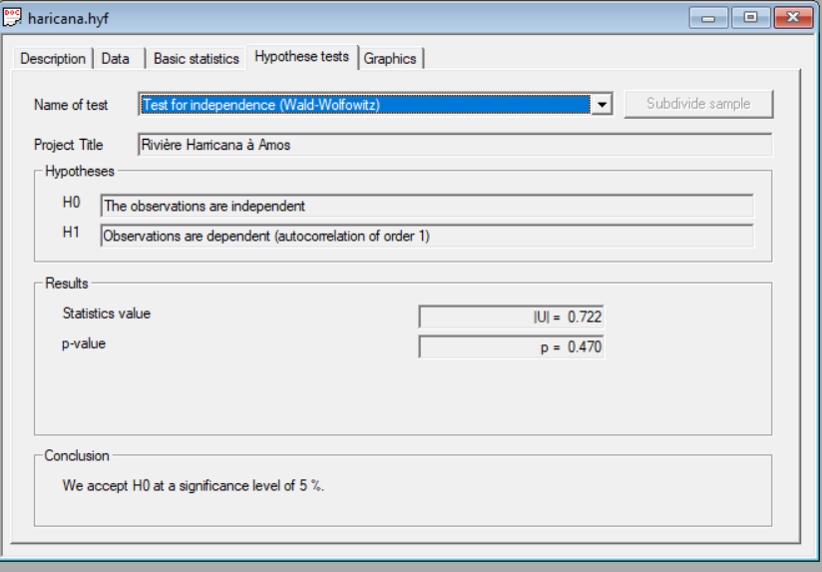
Month | Date | Value | Row Labels | Max of Value
7 | 07/01/1962 |  | 1962 | 583 | Rivière Harricana à Amos
7 | 07/02/1962 |  | 1963 | 1290
7 | 07/03/1962 |  | 1964 | 1960 | Results of the fitting
7 | 07/04/1962 |  | 1965 | 900
7 | 07/05/1962 |  | 1966 | 1380 | Normal (Maximum Likelihood)
7 | 07/06/1962 |  | 1967 | 1310
7 | 07/07/1962 |  | 1968 | 1320 | Number of observations 58
7 | 07/08/1962 |  | 1969 | 1120
7 | 07/09/1962 |  | 1970 | 1460 | Parameters
7 | 07/10/1962 |  | 1971 | 1250 | mu | 1415.793103
7 | 07/11/1962 |  | 1972 | 2250 | sigma | 338.825202
7 | 07/12/1962 |  | 1973 | 1420
7 | 07/13/1962 |  | 1974 | 964 | Quantiles
7 | 07/14/1962 |  | 1975 | 1840 | q = F(X) : non-exceedance probability
7 | 07/15/1962 |  | 1976 | 1320 | T = 1/(1-q)
7 | 07/16/1962 |  | 1977 | 1120
7 | 07/17/1962 |  | 1978 | 1700 | T | q | XT | Standard deviation | Confidence interval (95%)
7 | 07/18/1962 |  | 1979 | 1310 | 10000 | 0.9999 | 2680 | 126 | 2430 | 2920
7 | 07/19/1962 |  | 1980 | 1200 | 2000 | 0.9995 | 2530 | 114 | 2310 | 2750
7 | 07/20/1962 |  | 1981 | 1340 | 1000 | 0.999 | 2460 | 108 | 2250 | 2670
7 | 07/21/1962 |  | 1982 | 1790 | 200 | 0.995 | 2290 | 93.1 | 2110 | 2470
7 | 07/22/1962 |  | 1983 | 1900 | 100 | 0.99 | 2200 | 86.2 | 2040 | 2370
7 | 07/23/1962 |  | 1984 | 1240 | 50 | 0.98 | 2110 | 78.9 | 1960 | 2270
7 | 07/24/1962 | 569 | 1985 | 1750 | 20 | 0.95 | 1970 | 68.6 | 1840 | 2110
7 | 07/25/1962 | 549 | 1986 | 1470 | 10 | 0.9 | 1850 | 60.3 | 1730 | 1970
7 | 07/26/1962 | 504 | 1987 | 1370 | 5 | 0.8 | 1700 | 51.9 | 1600 | 1800
7 | 07/27/1962 | 515 | 1988 | 1350 | 3 | 0.6667 | 1560 | 46.5 | 1470 | 1650
7 | 07/28/1962 | 583 | 1989 | 2140 | 2 | 0.5 | 1420 | 44.5 | 1330 | 1500
7 | 07/29/1962 | 515 | 1990 | 1910 | 1.4286 | 0.3 | 1240 | 47.5 | 1150 | 1330
7 | 07/30/1962 | 493 | 1991 | 1180 | 1.25 | 0.2 | 1130 | 51.9 | 1030 | 1230
7 | 07/31/1962 | 544 | 1992 | 1880 | 1.1111 | 0.1 | 982 | 60.3 | 863 | 1100
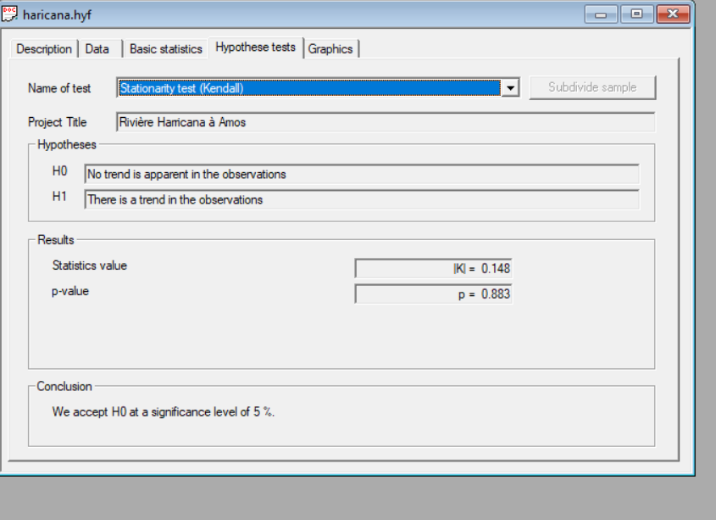
6 | 06/01/1963 | 374 | 1993 | 1790 | 1.0526 | 0.05 | 858 | 68.6 | 724 | 993
6 | 06/02/1963 | 394 | 1994 | 1330 | 1.0204 | 0.02 | 720 | 78.9 | 565 | 875
6 | 06/03/1963 | 416 | 1995 | 921 | 1.0101 | 0.01 | 627 | 86.2 | 458 | 796
6 | 06/04/1963 | 433 | 1996 | 1150 | 1.005 | 0.005 | 543 | 93.1 | 360 | 725
6 | 06/05/1963 | 515 | 1997 | 1220 | 1.001 | 0.001 | 369 | 108 | 158 | 580
6 | 06/06/1963 | 564 | 1998 | 1520 | 1.0005 | 0.0005 | 301 | 114 | 78.3 | 523
6 | 06/07/1963 | 538 | 1999 | 1450 | 1.0001 | 0.0001 | 156 | 126 | -91.6 | 403
6 | 06/08/1963 | 530 | 2000 | 1260
6 | 06/09/1963 | 564 | 2001 | 1500
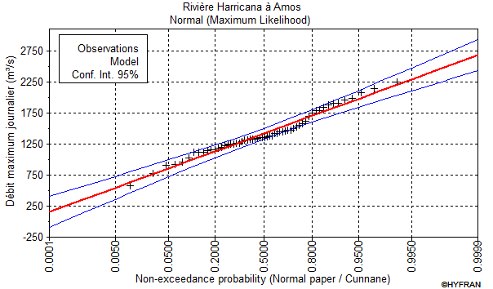
6 | 06/10/1963 | 631 | 2002 | 1150
6 | 06/11/1963 | 691 | 2003 | 1250
6 | 06/12/1963 | 731 | 2004 | 1580
6 | 06/13/1963 | 963 | 2005 | 1450
6 | 06/14/1963 | 1160 | 2006 | 2080
6 | 06/15/1963 | 1130 | 2007 | 1550
6 | 06/16/1963 | 946 | 2008 | 1350
6 | 06/17/1963 | 818 | 2009 | 1420
6 | 06/18/1963 | 875 | 2010 | 1140
6 | 06/19/1963 | 932 | 2011 | 1620
6 | 06/20/1963 | 943 | 2012 | 1980
6 | 06/21/1963 | 1010 | 2013 | 1470
6 | 06/22/1963 | 1020 | 2014 | 1030
6 | 06/23/1963 | 988 | 2015 | 1350
6 | 06/24/1963 | 977 | 2016 | 1260
6 | 06/25/1963 | 915 | 2017 | 1380
6 | 06/26/1963 | 719 | 2018 | 778
6 | 06/27/1963 | 609 | 2019 | 1120
6 | 06/28/1963 | 634 | Grand Total | 2250
6 | 06/29/1963 | 733
6 | 06/30/1963 | 827
7 | 07/01/1963 | 926
7 | 07/02/1963 | 994 |  |  | Rivière Harricana à Amos
7 | 07/03/1963 | 1070
7 | 07/04/1963 | 1230 |  |  | Adequacy test
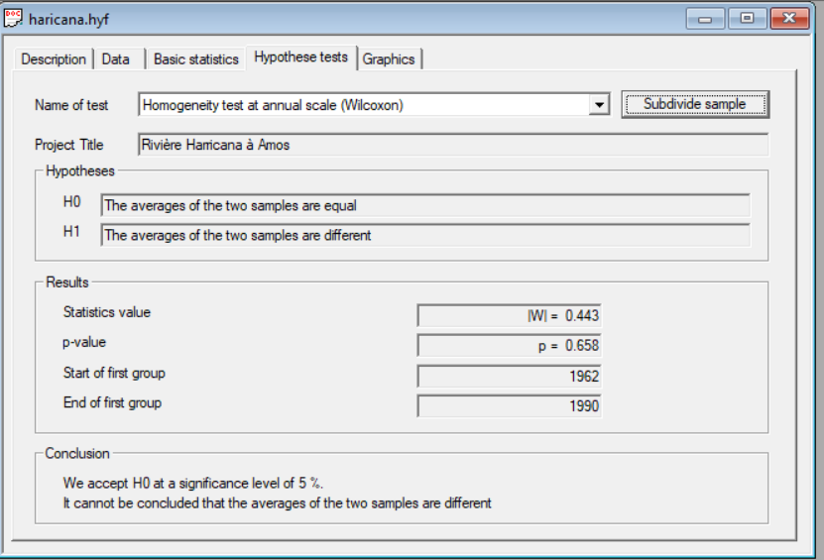
7 | 07/05/1963 | 1180
7 | 07/06/1963 | 1170 |  |  | Normal(Maximum Likelihood)
7 | 07/07/1963 | 1290
7 | 07/08/1963 | 1190 |  |  | Hypotheses
7 | 07/09/1963 | 1080 |  |  | H0 : The underlying distribution of this sample is Normal
7 | 07/10/1963 | 1180 |  |  | H1 : The underlying distribution of this sample is not Normal
7 | 07/11/1963 | 1120
7 | 07/12/1963 | 940 |  |  | Results
7 | 07/13/1963 | 881 |  |  | Statistics result : | For Cs | For Ck
7 | 07/14/1963 | 926 |  |  | p-value : | 1.19 | 0
7 | 07/15/1963 | 923 |  |  | Degrees of freedom : | 0.2344 | 0.9968
7 | 07/16/1963 | 838
7 | 07/17/1963 | 733 |  |  | Conclusion
7 | 07/18/1963 | 714 |  |  | We accept H0 at a significance level of 5 %.
7 | 07/19/1963 | 708
7 | 07/20/1963 | 688
7 | 07/21/1963 | 691 |  |  | Rivière Harricana à Amos
7 | 07/22/1963 | 756
7 | 07/23/1963 | 674 |  |  | Adequacy test
7 | 07/24/1963 | 609
7 | 07/25/1963 | 578 |  |  | Normal(Maximum Likelihood)
7 | 07/26/1963 | 549
7 | 07/27/1963 | 524 |  |  | Hypotheses
7 | 07/28/1963 | 504 |  |  | H0 : The underlying distribution of this sample is Normal
7 | 07/29/1963 | 470 |  |  | H1 : The underlying distribution of this sample is not Normal
7 | 07/30/1963 | 464
7 | 07/31/1963 | 436 |  |  | Results
5 | 05/01/1964 | 31.100000381 |  |  | Statistics result : | X ² = 11.66
5 | 05/02/1964 | 31.100000381 |  |  | p-value : | p = 0.1125
5 | 05/03/1964 | 31.100000381 |  |  | Degrees of freedom : | 7
5 | 05/04/1964 | 31.100000381
5 | 05/05/1964 | 31.100000381 |  |  | Conclusion
5 | 05/06/1964 | 36.799999237 |  |  | We accept H0 at a significance level of 5 %.
5 | 05/07/1964 | 36.799999237
5 | 05/08/1964 | 36.799999237
5 | 05/09/1964 | 36.799999237
5 | 05/10/1964 | 36.799999237
5 | 05/11/1964 | 36.799999237
5 | 05/12/1964 | 36.799999237
5 | 05/13/1964 | 36.799999237
5 | 05/14/1964 | 85
5 | 05/15/1964 | 85
5 | 05/16/1964 | 85
5 | 05/17/1964 | 85
5 | 05/18/1964 | 85
5 | 05/19/1964 | 85
5 | 05/20/1964 | 136
5 | 05/21/1964 | 147
5 | 05/22/1964 | 151
5 | 05/23/1964 | 150
5 | 05/24/1964 | 140
5 | 05/25/1964 | 134
5 | 05/26/1964 | 134
5 | 05/27/1964 | 139
5 | 05/28/1964 | 155
5 | 05/29/1964 | 196
5 | 05/30/1964 | 278
5 | 05/31/1964 | 374
6 | 06/01/1964 | 453
6 | 06/02/1964 | 592
6 | 06/03/1964 | 801
6 | 06/04/1964 | 1210
6 | 06/05/1964 | 1540
6 | 06/06/1964 | 1620
6 | 06/07/1964 | 1710
6 | 06/08/1964 | 1760
6 | 06/09/1964 | 1780
6 | 06/10/1964 | 1710
6 | 06/11/1964 | 1830
6 | 06/12/1964 | 1940
6 | 06/13/1964 | 1960
6 | 06/14/1964 | 1640
6 | 06/15/1964 | 1350
6 | 06/16/1964 | 1260
6 | 06/17/1964 | 1170
6 | 06/18/1964 | 1150
6 | 06/19/1964 | 1170
6 | 06/20/1964 | 1190
6 | 06/21/1964 | 1190
6 | 06/22/1964 | 1410
6 | 06/23/1964 | 1640
6 | 06/24/1964 | 1250
6 | 06/25/1964 | 980
6 | 06/26/1964 | 954
6 | 06/27/1964 | 929
6 | 06/28/1964 | 722
6 | 06/29/1964 | 612
6 | 06/30/1964 | 600
7 | 07/01/1964 | 651
7 | 07/02/1964 | 629
7 | 07/03/1964 | 558
7 | 07/04/1964 | 521
7 | 07/05/1964 | 561
7 | 07/06/1964 | 606
7 | 07/07/1964 | 634
7 | 07/08/1964 | 578
7 | 07/09/1964 | 705
7 | 07/10/1964 | 1000
7 | 07/11/1964 | 1710
7 | 07/12/1964 | 1440
7 | 07/13/1964 | 915
7 | 07/14/1964 | 708
7 | 07/15/1964 | 623
7 | 07/16/1964 | 578
7 | 07/17/1964 | 544
7 | 07/18/1964 | 527
7 | 07/19/1964 | 524
7 | 07/20/1964 | 541
7 | 07/21/1964 | 592
7 | 07/22/1964 | 714
7 | 07/23/1964 | 824
7 | 07/24/1964 | 796
7 | 07/25/1964 | 668
7 | 07/26/1964 | 617
7 | 07/27/1964 | 623
7 | 07/28/1964 | 566
7 | 07/29/1964 | 515
7 | 07/30/1964 | 484
7 | 07/31/1964 | 481
5 | 05/01/1965 | 41.099998474
5 | 05/02/1965 | 41.599998474
5 | 05/03/1965 | 42.200000763
5 | 05/04/1965 | 42.5
5 | 05/05/1965 | 43
5 | 05/06/1965 | 43.299999237
5 | 05/07/1965 | 44.5
5 | 05/08/1965 | 45.299999237
5 | 05/09/1965 | 46.400001526
5 | 05/10/1965 | 47
5 | 05/11/1965 | 48.099998474
5 | 05/12/1965 | 49.599998474
5 | 05/13/1965 | 51
5 | 05/14/1965 | 52.400001526
5 | 05/15/1965 | 55.200000763
5 | 05/16/1965 | 58
5 | 05/17/1965 | 62.299999237
5 | 05/18/1965 | 66.5
5 | 05/19/1965 | 73.599998474
5 | 05/20/1965 | 85
5 | 05/21/1965 | 113
5 | 05/22/1965 | 133
5 | 05/23/1965 | 180
5 | 05/24/1965 | 219
5 | 05/25/1965 | 239
5 | 05/26/1965 | 269
5 | 05/27/1965 | 306
5 | 05/28/1965 | 379
5 | 05/29/1965 | 476
5 | 05/30/1965 | 606
5 | 05/31/1965 | 782
6 | 06/01/1965 | 852
6 | 06/02/1965 | 756
6 | 06/03/1965 | 657
6 | 06/04/1965 | 521
6 | 06/05/1965 | 450
6 | 06/06/1965 | 402
6 | 06/07/1965 | 371
6 | 06/08/1965 | 371
6 | 06/09/1965 | 532
6 | 06/10/1965 | 841
6 | 06/11/1965 | 855
6 | 06/12/1965 | 719
6 | 06/13/1965 | 600
6 | 06/14/1965 | 507
6 | 06/15/1965 | 436
6 | 06/16/1965 | 425
6 | 06/17/1965 | 481
6 | 06/18/1965 | 595
6 | 06/19/1965 | 481
6 | 06/20/1965 | 374
6 | 06/21/1965 | 377
6 | 06/22/1965 | 368
6 | 06/23/1965 | 391
6 | 06/24/1965 | 399
6 | 06/25/1965 | 362
6 | 06/26/1965 | 391
6 | 06/27/1965 | 459
6 | 06/28/1965 | 513
6 | 06/29/1965 | 583
6 | 06/30/1965 | 646
7 | 07/01/1965 | 711
7 | 07/02/1965 | 739
7 | 07/03/1965 | 801
7 | 07/04/1965 | 716
7 | 07/05/1965 | 654
7 | 07/06/1965 | 524
7 | 07/07/1965 | 450
7 | 07/08/1965 | 456
7 | 07/09/1965 | 464
7 | 07/10/1965 | 467
7 | 07/11/1965 | 501
7 | 07/12/1965 | 541
7 | 07/13/1965 | 538
7 | 07/14/1965 | 572
7 | 07/15/1965 | 589
7 | 07/16/1965 | 626
7 | 07/17/1965 | 881
7 | 07/18/1965 | 900
7 | 07/19/1965 | 796
7 | 07/20/1965 | 753
7 | 07/21/1965 | 657
7 | 07/22/1965 | 572
7 | 07/23/1965 | 555
7 | 07/24/1965 | 538
7 | 07/25/1965 | 487
7 | 07/26/1965 | 484
7 | 07/27/1965 | 493
7 | 07/28/1965 | 459
7 | 07/29/1965 | 442
7 | 07/30/1965 | 433
7 | 07/31/1965 | 425
6 | 06/01/1966 | 368
6 | 06/02/1966 | 374
6 | 06/03/1966 | 382
6 | 06/04/1966 | 388
6 | 06/05/1966 | 416
6 | 06/06/1966 | 513
6 | 06/07/1966 | 634
6 | 06/08/1966 | 651
6 | 06/09/1966 | 674
6 | 06/10/1966 | 804
6 | 06/11/1966 | 943
6 | 06/12/1966 | 1040
6 | 06/13/1966 | 1080
6 | 06/14/1966 | 1210
6 | 06/15/1966 | 1250
6 | 06/16/1966 | 1180
6 | 06/17/1966 | 1150
6 | 06/18/1966 | 1380
6 | 06/19/1966 | 1240
6 | 06/20/1966 | 966
6 | 06/21/1966 | 906
6 | 06/22/1966 | 818
6 | 06/23/1966 | 654
6 | 06/24/1966 | 572
6 | 06/25/1966 | 544
6 | 06/26/1966 | 592
6 | 06/27/1966 | 694
6 | 06/28/1966 | 733
6 | 06/29/1966 | 736
6 | 06/30/1966 | 648
7 | 07/01/1966 | 609
7 | 07/02/1966 | 589
7 | 07/03/1966 | 521
7 | 07/04/1966 | 524
7 | 07/05/1966 | 501
7 | 07/06/1966 | 470
7 | 07/07/1966 | 490
7 | 07/08/1966 | 515
7 | 07/09/1966 | 631
7 | 07/10/1966 | 937
7 | 07/11/1966 | 875
7 | 07/12/1966 | 657
7 | 07/13/1966 | 552
7 | 07/14/1966 | 521
7 | 07/15/1966 | 535
7 | 07/16/1966 | 586
7 | 07/17/1966 | 564
7 | 07/18/1966 | 524
7 | 07/19/1966 | 507
7 | 07/20/1966 | 558
7 | 07/21/1966 | 631
7 | 07/22/1966 | 515
7 | 07/23/1966 | 430
7 | 07/24/1966 | 402
7 | 07/25/1966 | 388
7 | 07/26/1966 | 382
7 | 07/27/1966 | 382
7 | 07/28/1966 | 396
7 | 07/29/1966 | 377
7 | 07/30/1966 | 362
7 | 07/31/1966 | 382
6 | 06/01/1967 | 867
6 | 06/02/1967 | 867
6 | 06/03/1967 | 835
6 | 06/04/1967 | 779
6 | 06/05/1967 | 739
6 | 06/06/1967 | 719
6 | 06/07/1967 | 886
6 | 06/08/1967 | 985
6 | 06/09/1967 | 801
6 | 06/10/1967 | 668
6 | 06/11/1967 | 694
6 | 06/12/1967 | 745
6 | 06/13/1967 | 634
6 | 06/14/1967 | 586
6 | 06/15/1967 | 646
6 | 06/16/1967 | 810
6 | 06/17/1967 | 1030
6 | 06/18/1967 | 1140
6 | 06/19/1967 | 1150
6 | 06/20/1967 | 1210
6 | 06/21/1967 | 1310
6 | 06/22/1967 | 1210
6 | 06/23/1967 | 1150
6 | 06/24/1967 | 1180
6 | 06/25/1967 | 1110
6 | 06/26/1967 | 1000
6 | 06/27/1967 | 994
6 | 06/28/1967 | 1070
6 | 06/29/1967 | 1120
6 | 06/30/1967 | 1140
7 | 07/01/1967 | 1100
7 | 07/02/1967 | 903
7 | 07/03/1967 | 745
7 | 07/04/1967 | 654
7 | 07/05/1967 | 595
7 | 07/06/1967 | 547
7 | 07/07/1967 | 510
7 | 07/08/1967 | 496
7 | 07/09/1967 | 524
7 | 07/10/1967 | 544
7 | 07/11/1967 | 535
7 | 07/12/1967 | 521
7 | 07/13/1967 | 532
7 | 07/14/1967 | 532
7 | 07/15/1967 | 527
7 | 07/16/1967 | 498
7 | 07/17/1967 | 470
7 | 07/18/1967 | 493
7 | 07/19/1967 | 524
7 | 07/20/1967 | 702
7 | 07/21/1967 | 691
7 | 07/22/1967 | 561
7 | 07/23/1967 | 481
7 | 07/24/1967 | 462
7 | 07/25/1967 | 416
7 | 07/26/1967 | 374
7 | 07/27/1967 | 388
7 | 07/28/1967 | 422
7 | 07/29/1967 | 507
7 | 07/30/1967 | 530
7 | 07/31/1967 | 580
5 | 05/01/1968
5 | 05/02/1968
5 | 05/03/1968
5 | 05/04/1968
5 | 05/05/1968
5 | 05/06/1968
5 | 05/07/1968
5 | 05/08/1968
5 | 05/09/1968
5 | 05/10/1968
5 | 05/11/1968
5 | 05/12/1968
5 | 05/13/1968
5 | 05/14/1968
5 | 05/15/1968
5 | 05/16/1968
5 | 05/17/1968
5 | 05/18/1968
5 | 05/19/1968
5 | 05/20/1968
5 | 05/21/1968
5 | 05/22/1968
5 | 05/23/1968 | 430
5 | 05/24/1968 | 343
5 | 05/25/1968 | 331
5 | 05/26/1968 | 447
5 | 05/27/1968 | 530
5 | 05/28/1968 | 513
5 | 05/29/1968 | 501
5 | 05/30/1968 | 552
5 | 05/31/1968 | 648
6 | 06/01/1968 | 731
6 | 06/02/1968 | 759
6 | 06/03/1968 | 756
6 | 06/04/1968 | 827
6 | 06/05/1968 | 833
6 | 06/06/1968 | 838
6 | 06/07/1968 | 892
6 | 06/08/1968 | 960
6 | 06/09/1968 | 1020
6 | 06/10/1968 | 1130
6 | 06/11/1968 | 1320
6 | 06/12/1968
6 | 06/13/1968
6 | 06/14/1968
6 | 06/15/1968
6 | 06/16/1968
6 | 06/17/1968
6 | 06/18/1968 | 1020
6 | 06/19/1968 | 963
6 | 06/20/1968
6 | 06/21/1968
6 | 06/22/1968
6 | 06/23/1968
6 | 06/24/1968
6 | 06/25/1968
6 | 06/26/1968
6 | 06/27/1968
6 | 06/28/1968
6 | 06/29/1968
6 | 06/30/1968
7 | 07/01/1968
7 | 07/02/1968
7 | 07/03/1968
7 | 07/04/1968
7 | 07/05/1968
7 | 07/06/1968
7 | 07/07/1968
7 | 07/08/1968
7 | 07/09/1968
7 | 07/10/1968
7 | 07/11/1968
7 | 07/12/1968
7 | 07/13/1968
7 | 07/14/1968
7 | 07/15/1968
7 | 07/16/1968 | 572
7 | 07/17/1968 | 524
7 | 07/18/1968 | 496
7 | 07/19/1968 | 493
7 | 07/20/1968 | 484
7 | 07/21/1968 | 467
7 | 07/22/1968 | 430
7 | 07/23/1968 | 405
7 | 07/24/1968 | 379
7 | 07/25/1968 | 374
7 | 07/26/1968 | 385
7 | 07/27/1968 | 340
7 | 07/28/1968 | 311
7 | 07/29/1968 | 340
7 | 07/30/1968 | 385
7 | 07/31/1968 | 374
5 | 05/01/1969
5 | 05/02/1969
5 | 05/03/1969
5 | 05/04/1969
5 | 05/05/1969
5 | 05/06/1969
5 | 05/07/1969
5 | 05/08/1969
5 | 05/09/1969
5 | 05/10/1969
5 | 05/11/1969
5 | 05/12/1969
5 | 05/13/1969
5 | 05/14/1969
5 | 05/15/1969
5 | 05/16/1969
5 | 05/17/1969
5 | 05/18/1969
5 | 05/19/1969
5 | 05/20/1969
5 | 05/21/1969
5 | 05/22/1969
5 | 05/23/1969
5 | 05/24/1969 | 268
5 | 05/25/1969 | 362
5 | 05/26/1969 | 405
5 | 05/27/1969 | 331
5 | 05/28/1969 | 252
5 | 05/29/1969 | 215
5 | 05/30/1969 | 206
5 | 05/31/1969 | 239
6 | 06/01/1969 | 303
6 | 06/02/1969 | 385
6 | 06/03/1969 | 439
6 | 06/04/1969 | 382
6 | 06/05/1969 | 365
6 | 06/06/1969 | 467
6 | 06/07/1969 | 566
6 | 06/08/1969 | 697
6 | 06/09/1969 | 883
6 | 06/10/1969 | 1020
6 | 06/11/1969 | 1100
6 | 06/12/1969 | 1090
6 | 06/13/1969 | 963
6 | 06/14/1969 | 929
6 | 06/15/1969 | 949
6 | 06/16/1969 | 903
6 | 06/17/1969 | 824
6 | 06/18/1969 | 733
6 | 06/19/1969 | 708
6 | 06/20/1969 | 572
6 | 06/21/1969 | 518
6 | 06/22/1969 | 481
6 | 06/23/1969 | 442
6 | 06/24/1969 | 396
6 | 06/25/1969 | 326
6 | 06/26/1969 | 283
6 | 06/27/1969 | 278
6 | 06/28/1969 | 320
6 | 06/29/1969 | 345
6 | 06/30/1969 | 314
7 | 07/01/1969 | 286
7 | 07/02/1969 | 300
7 | 07/03/1969 | 320
7 | 07/04/1969 | 374
7 | 07/05/1969 | 368
7 | 07/06/1969 | 345
7 | 07/07/1969 | 343
7 | 07/08/1969 | 354
7 | 07/09/1969 | 399
7 | 07/10/1969 | 408
7 | 07/11/1969 | 391
7 | 07/12/1969 | 586
7 | 07/13/1969 | 1120
7 | 07/14/1969 | 1110
7 | 07/15/1969 | 725
7 | 07/16/1969 | 544
7 | 07/17/1969 | 467
7 | 07/18/1969 | 425
7 | 07/19/1969 | 419
7 | 07/20/1969 | 399
7 | 07/21/1969 | 388
7 | 07/22/1969 | 447
7 | 07/23/1969 | 612
7 | 07/24/1969 | 558
7 | 07/25/1969 | 515
7 | 07/26/1969 | 501
7 | 07/27/1969 | 530
7 | 07/28/1969 | 566
7 | 07/29/1969 | 496
7 | 07/30/1969 | 436
7 | 07/31/1969 | 402
5 | 05/01/1970 | 35.599998474
5 | 05/02/1970 | 37.700000763
5 | 05/03/1970 | 40.099998474
5 | 05/04/1970 | 42.799999237
5 | 05/05/1970 | 46
5 | 05/06/1970 | 50
5 | 05/07/1970 | 56
5 | 05/08/1970 | 65
5 | 05/09/1970 | 80
5 | 05/10/1970 | 100
5 | 05/11/1970 | 130
5 | 05/12/1970 | 170
5 | 05/13/1970 | 220
5 | 05/14/1970 | 280
5 | 05/15/1970 | 310
5 | 05/16/1970 | 320
5 | 05/17/1970 | 310
5 | 05/18/1970 | 300
5 | 05/19/1970 | 310
5 | 05/20/1970 | 330
5 | 05/21/1970 | 370
5 | 05/22/1970 | 450
5 | 05/23/1970 | 560
5 | 05/24/1970 | 600
5 | 05/25/1970 | 460
5 | 05/26/1970 | 410
5 | 05/27/1970 | 408
5 | 05/28/1970 | 408
5 | 05/29/1970 | 433
5 | 05/30/1970 | 507
5 | 05/31/1970 | 558
6 | 06/01/1970 | 558
6 | 06/02/1970 | 532
6 | 06/03/1970 | 589
6 | 06/04/1970 | 844
6 | 06/05/1970 | 1440
6 | 06/06/1970 | 1460
6 | 06/07/1970 | 974
6 | 06/08/1970 | 762
6 | 06/09/1970 | 637
6 | 06/10/1970 | 558
6 | 06/11/1970 | 549
6 | 06/12/1970 | 617
6 | 06/13/1970 | 725
6 | 06/14/1970 | 782
6 | 06/15/1970 | 917
6 | 06/16/1970 | 929
6 | 06/17/1970 | 807
6 | 06/18/1970 | 818
6 | 06/19/1970 | 872
6 | 06/20/1970 | 784
6 | 06/21/1970 | 759
6 | 06/22/1970 | 739
6 | 06/23/1970 | 1010
6 | 06/24/1970 | 1220
6 | 06/25/1970 | 1130
6 | 06/26/1970 | 974
6 | 06/27/1970 | 725
6 | 06/28/1970 | 589
6 | 06/29/1970 | 578
6 | 06/30/1970 | 595
7 | 07/01/1970 | 606
7 | 07/02/1970 | 646
7 | 07/03/1970 | 739
7 | 07/04/1970 | 900
7 | 07/05/1970 | 847
7 | 07/06/1970 | 1150
7 | 07/07/1970 | 1150
7 | 07/08/1970 | 835
7 | 07/09/1970 | 620
7 | 07/10/1970 | 501
7 | 07/11/1970 | 515
7 | 07/12/1970 | 530
7 | 07/13/1970 | 530
7 | 07/14/1970 | 530
7 | 07/15/1970 | 496
7 | 07/16/1970 | 575
7 | 07/17/1970 | 674
7 | 07/18/1970 | 595
7 | 07/19/1970 | 595
7 | 07/20/1970 | 657
7 | 07/21/1970 | 1100
7 | 07/22/1970 | 1210
7 | 07/23/1970 | 1030
7 | 07/24/1970 | 784
7 | 07/25/1970 | 620
7 | 07/26/1970 | 552
7 | 07/27/1970 | 719
7 | 07/28/1970 | 767
7 | 07/29/1970 | 646
7 | 07/30/1970 | 541
7 | 07/31/1970 | 507
5 | 05/01/1971
5 | 05/02/1971
5 | 05/03/1971
5 | 05/04/1971
5 | 05/05/1971
5 | 05/06/1971
5 | 05/07/1971
5 | 05/08/1971
5 | 05/09/1971
5 | 05/10/1971
5 | 05/11/1971
5 | 05/12/1971
5 | 05/13/1971
5 | 05/14/1971
5 | 05/15/1971
5 | 05/16/1971
5 | 05/17/1971
5 | 05/18/1971
5 | 05/19/1971
5 | 05/20/1971
5 | 05/21/1971
5 | 05/22/1971
5 | 05/23/1971
5 | 05/24/1971
5 | 05/25/1971
5 | 05/26/1971
5 | 05/27/1971
5 | 05/28/1971 | 340
5 | 05/29/1971 | 354
5 | 05/30/1971 | 425
5 | 05/31/1971 | 428
6 | 06/01/1971 | 365
6 | 06/02/1971 | 450
6 | 06/03/1971 | 731
6 | 06/04/1971 | 697
6 | 06/05/1971 | 612
6 | 06/06/1971 | 597
6 | 06/07/1971 | 612
6 | 06/08/1971 | 606
6 | 06/09/1971 | 694
6 | 06/10/1971 | 801
6 | 06/11/1971 | 951
6 | 06/12/1971 | 1120
6 | 06/13/1971 | 968
6 | 06/14/1971 | 697
6 | 06/15/1971 | 558
6 | 06/16/1971 | 580
6 | 06/17/1971 | 699
6 | 06/18/1971 | 827
6 | 06/19/1971 | 1060
6 | 06/20/1971 | 1110
6 | 06/21/1971 | 1140
6 | 06/22/1971 | 1250
6 | 06/23/1971 | 1160
6 | 06/24/1971 | 1060
6 | 06/25/1971 | 1010
6 | 06/26/1971 | 782
6 | 06/27/1971 | 623
6 | 06/28/1971 | 578
6 | 06/29/1971 | 583
6 | 06/30/1971 | 541
7 | 07/01/1971 | 456
7 | 07/02/1971 | 405
7 | 07/03/1971 | 379
7 | 07/04/1971 | 399
7 | 07/05/1971 | 445
7 | 07/06/1971 | 515
7 | 07/07/1971 | 535
7 | 07/08/1971 | 453
7 | 07/09/1971 | 399
7 | 07/10/1971 | 371
7 | 07/11/1971 | 351
7 | 07/12/1971 | 348
7 | 07/13/1971 | 439
7 | 07/14/1971 | 614
7 | 07/15/1971 | 731
7 | 07/16/1971 | 782
7 | 07/17/1971 | 762
7 | 07/18/1971 | 762
7 | 07/19/1971 | 623
7 | 07/20/1971 | 547
7 | 07/21/1971 | 535
7 | 07/22/1971 | 510
7 | 07/23/1971 | 541
7 | 07/24/1971 | 524
7 | 07/25/1971 | 450
7 | 07/26/1971 | 405
7 | 07/27/1971 | 396
7 | 07/28/1971 | 416
7 | 07/29/1971 | 436
7 | 07/30/1971 | 439
7 | 07/31/1971 | 411
5 | 05/01/1972
5 | 05/02/1972
5 | 05/03/1972
5 | 05/04/1972
5 | 05/05/1972
5 | 05/06/1972
5 | 05/07/1972
5 | 05/08/1972
5 | 05/09/1972
5 | 05/10/1972
5 | 05/11/1972
5 | 05/12/1972
5 | 05/13/1972
5 | 05/14/1972
5 | 05/15/1972
5 | 05/16/1972
5 | 05/17/1972
5 | 05/18/1972
5 | 05/19/1972
5 | 05/20/1972
5 | 05/21/1972
5 | 05/22/1972
5 | 05/23/1972
5 | 05/24/1972
5 | 05/25/1972
5 | 05/26/1972 | 224
5 | 05/27/1972 | 235
5 | 05/28/1972 | 343
5 | 05/29/1972 | 586
5 | 05/30/1972 | 1120
5 | 05/31/1972 | 1570
6 | 06/01/1972 | 1360
6 | 06/02/1972 | 1360
6 | 06/03/1972 | 1050
6 | 06/04/1972 | 634
6 | 06/05/1972 | 453
6 | 06/06/1972 | 382
6 | 06/07/1972 | 700
6 | 06/08/1972 | 750
6 | 06/09/1972 | 850
6 | 06/10/1972 | 950
6 | 06/11/1972 | 1300
6 | 06/12/1972 | 1400
6 | 06/13/1972 | 1250
6 | 06/14/1972 | 1150
6 | 06/15/1972 | 1200
6 | 06/16/1972 | 1150
6 | 06/17/1972 | 1000
6 | 06/18/1972 | 950
6 | 06/19/1972 | 1000
6 | 06/20/1972 | 1100
6 | 06/21/1972 | 1300
6 | 06/22/1972 | 1300
6 | 06/23/1972 | 1100
6 | 06/24/1972 | 950
6 | 06/25/1972 | 850
6 | 06/26/1972 | 800
6 | 06/27/1972 | 1350
6 | 06/28/1972 | 1500
6 | 06/29/1972 | 1400
6 | 06/30/1972 | 1250
7 | 07/01/1972 | 1100
7 | 07/02/1972 | 900
7 | 07/03/1972 | 800
7 | 07/04/1972 | 700
7 | 07/05/1972 | 550
7 | 07/06/1972 | 500
7 | 07/07/1972 | 450
7 | 07/08/1972 | 400
7 | 07/09/1972 | 450
7 | 07/10/1972 | 430
7 | 07/11/1972 | 400
7 | 07/12/1972 | 380
7 | 07/13/1972 | 350
7 | 07/14/1972 | 330
7 | 07/15/1972 | 310
7 | 07/16/1972 | 290
7 | 07/17/1972 | 270
7 | 07/18/1972 | 260
7 | 07/19/1972 | 250
7 | 07/20/1972 | 250
7 | 07/21/1972 | 300
7 | 07/22/1972 | 950
7 | 07/23/1972 | 1750
7 | 07/24/1972 | 1550
7 | 07/25/1972 | 1450
7 | 07/26/1972 | 1850
7 | 07/27/1972 | 2250
7 | 07/28/1972 | 2000
7 | 07/29/1972 | 1600
7 | 07/30/1972 | 1300
7 | 07/31/1972 | 1100
5 | 05/01/1973 | 53
5 | 05/02/1973 | 57
5 | 05/03/1973 | 62
5 | 05/04/1973 | 67
5 | 05/05/1973 | 73
5 | 05/06/1973 | 80
5 | 05/07/1973 | 87
5 | 05/08/1973 | 95
5 | 05/09/1973 | 104
5 | 05/10/1973 | 113
5 | 05/11/1973 | 125
5 | 05/12/1973 | 143
5 | 05/13/1973 | 227
5 | 05/14/1973 | 340
5 | 05/15/1973 | 510
5 | 05/16/1973 | 736
5 | 05/17/1973 | 1130
5 | 05/18/1973 | 991
5 | 05/19/1973 | 850
5 | 05/20/1973 | 736
5 | 05/21/1973 | 623
5 | 05/22/1973 | 538
5 | 05/23/1973 | 453
5 | 05/24/1973 | 368
5 | 05/25/1973 | 481
5 | 05/26/1973 | 708
5 | 05/27/1973 | 991
5 | 05/28/1973 | 1420
5 | 05/29/1973 | 1330
5 | 05/30/1973 | 1250
5 | 05/31/1973 | 1160
6 | 06/01/1973 | 1080
6 | 06/02/1973 | 991
6 | 06/03/1973 | 934
6 | 06/04/1973 | 878
6 | 06/05/1973 | 821
6 | 06/06/1973 | 765
6 | 06/07/1973 | 708
6 | 06/08/1973 | 680
6 | 06/09/1973 | 991
6 | 06/10/1973 | 1420
6 | 06/11/1973 | 1250
6 | 06/12/1973 | 1130
6 | 06/13/1973 | 1080
6 | 06/14/1973 | 991
6 | 06/15/1973 | 906
6 | 06/16/1973 | 821
6 | 06/17/1973 | 765
6 | 06/18/1973 | 708
6 | 06/19/1973 | 663
6 | 06/20/1973 | 708
6 | 06/21/1973 | 804
6 | 06/22/1973 | 699
6 | 06/23/1973 | 716
6 | 06/24/1973 | 682
6 | 06/25/1973 | 623
6 | 06/26/1973 | 612
6 | 06/27/1973 | 626
6 | 06/28/1973 | 614
6 | 06/29/1973 | 583
6 | 06/30/1973 | 530
...

10EC001
...
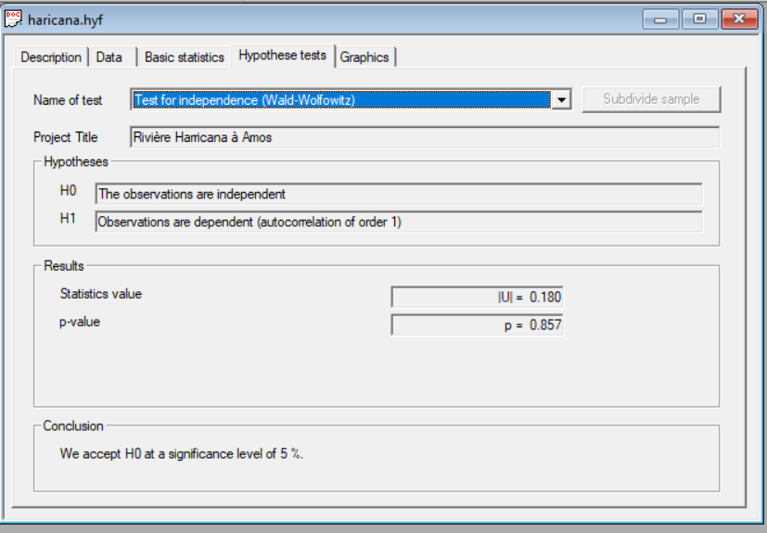
...
 |  |  |  | XT | Standard deviation | Confidence interval (95%)
 |  |  |  | 5670 | 794 | 4110 | 7220
 |  |  |  | 5080 | 641 | 3830 | 6340
 |  |  |  | 4830 | 577 | 3700 | 5960
 |  |  |  | 4240 | 438 | 3380 | 5090
 |  |  |  | 3980 | 380 | 3230 | 4720
 |  |  |  | 3710 | 325 | 3070 | 4350
 |  |  |  | 3340 | 254 | 2840 | 3840
 |  |  |  | 3050 | 203 | 2650 | 3450
 |  |  |  | 2720 | 156 | 2420 | 3030
 |  |  |  | 2450 | 126 | 2210 | 2700
 |  |  |  | 2200 | 108 | 1990 | 2410
 |  |  |  | 1920 | 101 | 1730 | 2120
 |  |  |  | 1780 | 102 | 1580 | 1970
05/31/1969 |  | 1.1111 | 0.1 | 1590 | 106 | 1380 | 1790
06/01/1969 | 700 | 1.0526 | 0.05 | 1450 | 110 | 1230 | 1660
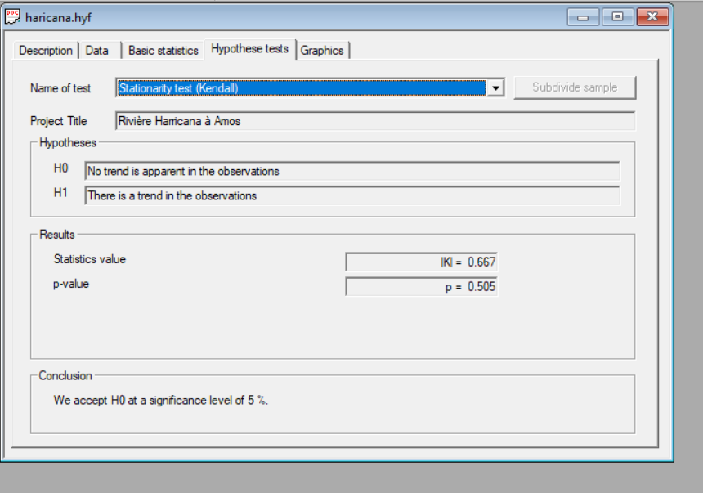
06/02/1969 | 750 | 1.0204 | 0.02 | 1300 | 114 | 1080 | 1530
06/03/1969 | 950 | 1.0101 | 0.01 | 1220 | 116 | 988 | 1440
06/04/1969 | 900 | 1.005 | 0.005 | 1140 | 118 | 910 | 1370
06/05/1969 | 800 | 1.001 | 0.001 | 1000 | 120 | 767 | 1240
06/06/1969 | 878 | 1.0005 | 0.0005 | 952 | 120 | 717 | 1190
06/07/1969 | 1030 | 1.0001 | 0.0001 | 853 | 120 | 619 | 1090
06/08/1969 | 1150
06/09/1969 | 1350
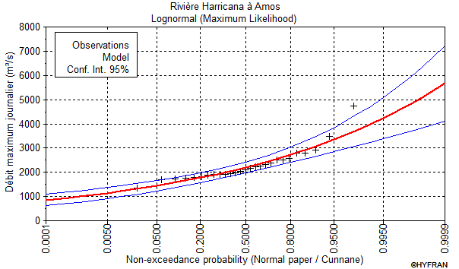
06/10/1969 | 1460
06/11/1969 | 1560
06/12/1969 | 1550
06/13/1969 | 1420
06/14/1969 | 1310
06/15/1969 | 1350
06/16/1969 | 1300
06/17/1969 | 1210
06/18/1969 | 1100
06/19/1969 | 1040
06/20/1969 | 929
06/21/1969 | 765
06/22/1969 | 779
06/23/1969 | 796
06/24/1969 | 665
06/25/1969 | 541
06/26/1969 | 467
06/27/1969 | 450
06/28/1969 | 510
06/29/1969 | 592
06/30/1969 | 555 | Rivière Harricana à Amos
07/01/1969 | 496
07/02/1969 | 493 | Adequacy test
07/03/1969 | 745
07/04/1969 | 813 | Lognormal(Maximum Likelihood)
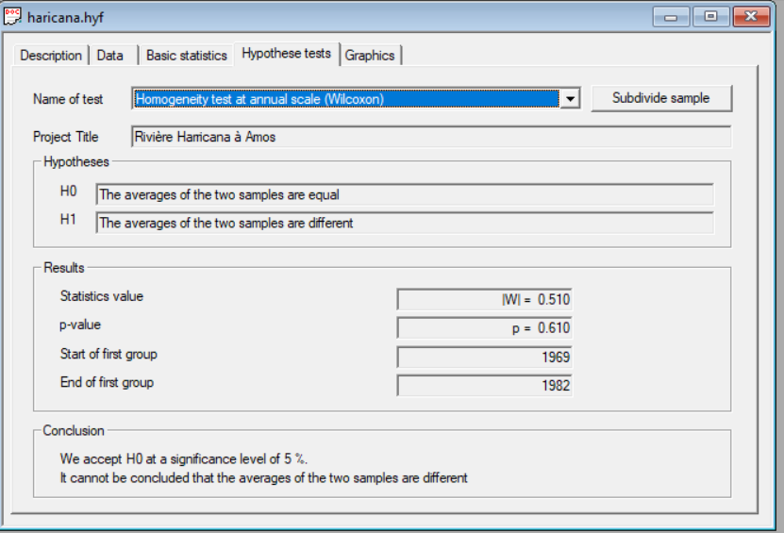
07/05/1969 | 767
07/06/1969 | 682 | Hypotheses
07/07/1969 | 637 | H0 : The underlying distribution of this sample is Lognormal
07/08/1969 | 631 | H1 : The underlying distribution of this sample is not Lognormal
...

10ED001
...
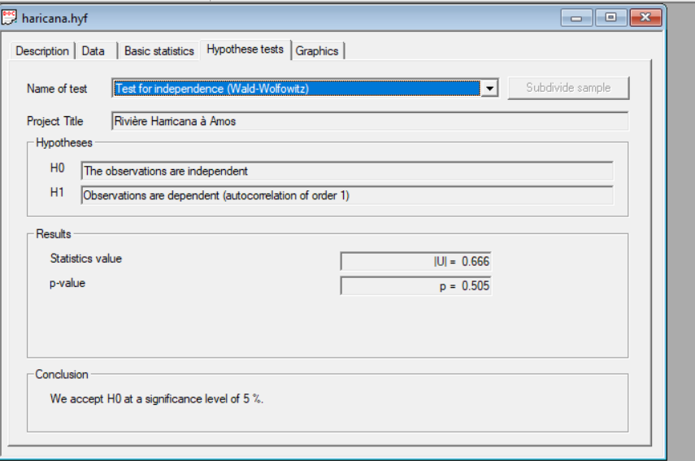
...
 |  |  |  |  |  |  | XT | Standard deviation | Confidence interval (95%)
 |  |  |  |  |  |  | 1.80E+04 | 827 | 1.64E+04 | 1.97E+04
 |  |  |  |  |  |  | 1.69E+04 | 744 | 1.55E+04 | 1.84E+04
 |  |  |  |  |  |  | 1.64E+04 | 706 | 1.51E+04 | 1.78E+04
 |  |  |  |  |  |  | 1.51E+04 | 610 | 1.39E+04 | 1.63E+04
 |  |  |  |  |  |  | 1.45E+04 | 565 | 1.34E+04 | 1.56E+04
 |  |  |  |  |  |  | 1.38E+04 | 518 | 1.28E+04 | 1.48E+04
 |  |  |  |  |  |  | 1.28E+04 | 450 | 1.19E+04 | 1.37E+04
 |  |  |  |  |  |  | 1.19E+04 | 396 | 1.11E+04 | 1.26E+04
 |  |  |  |  |  |  | 1.07E+04 | 341 | 1.01E+04 | 1.14E+04
 |  |  |  |  |  |  | 9710 | 306 | 9110 | 1.03E+04
 |  |  |  |  |  |  | 8620 | 292 | 8050 | 9190
 |  |  |  |  |  |  | 7290 | 312 | 6680 | 7910
5 | 1944-05-30 | 3600 | 1976 | 11800 | 1.25 | 0.2 | 6490 | 341 | 5820 | 7160
5 | 1944-05-31 | 3840 | 1977 | 14200 | 1.1111 | 0.1 | 5380 | 396 | 4600 | 6150
6 | 1944-06-01 | 3840 | 1978 | 4960 | 1.0526 | 0.05 | 4460 | 450 | 3570 | 5340
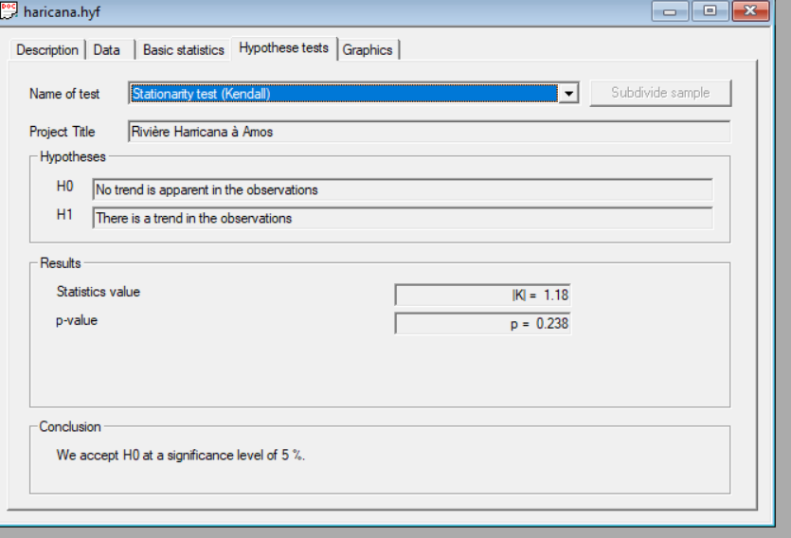
6 | 1944-06-02 | 3810 | 1979 | 11500 | 1.0204 | 0.02 | 3420 | 518 | 2410 | 4440
6 | 1944-06-03 | 3950 | 1980 | 6510 | 1.0101 | 0.01 | 2730 | 565 | 1620 | 3840
6 | 1944-06-04 | 4230 | 1981 | 9460 | 1.005 | 0.005 | 2100 | 610 | 905 | 3300
6 | 1944-06-05 | 4610 | 1982 | 11000 | 1.001 | 0.001 | 800 | 706 | -584 | 2180
6 | 1944-06-06 | 4630 | 1983 | 6870 | 1.0005 | 0.0005 | 293 | 744 | -1170 | 1750
6 | 1944-06-07 | 4760 | 1984 | 8890 | 1.0001 | 0.0001 | -791 | 827 | -2410 | 830
6 | 1944-06-08 | 4780 | 1985 | 7610
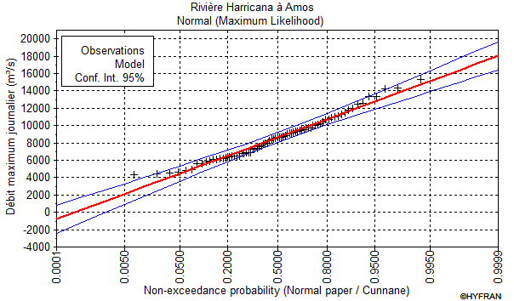
6 | 1944-06-09 | 4860 | 1986 | 9680
6 | 1944-06-10 | 5130 | 1987 | 9320
6 | 1944-06-11 | 5340 | 1988 | 14300
6 | 1944-06-12 | 5590 | 1989 | 6930
6 | 1944-06-13 | 6230 | 1990 | 13400
6 | 1944-06-14 | 6210 | 1991 | 7680
6 | 1944-06-15 | 5620 | 1992 | 10200
6 | 1944-06-16 | 5180 | 1993 | 6090
6 | 1944-06-17 | 4410 | 1994 | 7990
6 | 1944-06-18 | 4480 | 1995 | 4430
6 | 1944-06-19 | 4520 | 1996 | 8760
6 | 1944-06-20 | 4540 | 1997 | 8620
6 | 1944-06-21 | 4620 | 1998 | 6510
6 | 1944-06-22 | 4440 | 1999 | 9980
6 | 1944-06-23 | 4490 | 2000 | 5840
6 | 1944-06-24 | 4430 | 2001 | 10700
6 | 1944-06-25 | 4400 | 2002 | 8420
6 | 1944-06-26 | 4370 | 2003 | 6870
6 | 1944-06-27 | 4300 | 2004 | 6300
6 | 1944-06-28 | 4180 | 2005 | 10100
6 | 1944-06-29 | 4160 | 2006 | 9740
6 | 1944-06-30 | 3920 | 2007 | 10700 | Rivière Harricana à Amos
7 | 1944-07-01 | 3730 | 2008 | 10900
7 | 1944-07-02 | 3660 | 2009 | 9500 | Adequacy test
7 | 1944-07-03 | 3600 | 2010 | 4870
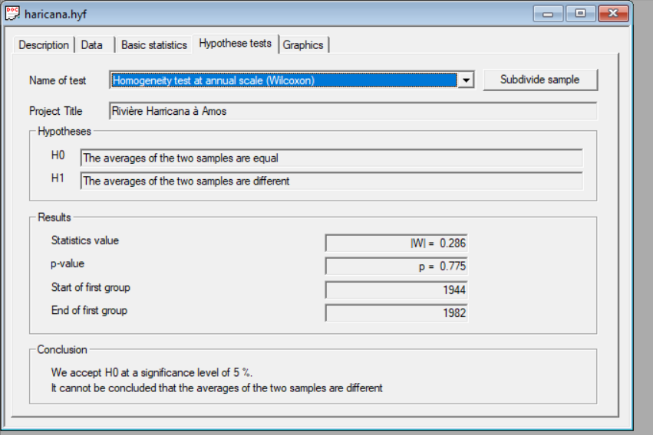
7 | 1944-07-04 | 3590 | 2011 | 9080 | Normal(Maximum Likelihood)
7 | 1944-07-05 | 3590 | 2012 | 15300
7 | 1944-07-06 | 3570 | 2013 | 11100 | Hypotheses
7 | 1944-07-07 | 3550 | 2014 | 8410 | H0 : The underlying distribution of this sample is Normal
7 | 1944-07-08 | 3550 | 2015 | 5880 | H1 : The underlying distribution of this sample is not Normal
...
 |  |  |  |  |  |  | For Ck
 |  |  |  |  |  |  | 0
 |  |  |  |  |  |  | 0.9973
...

